银杏叶化合物信息表
编号 | 化合物名称 | 英文名称 | CAS号 | 分子量 | 分子式 | 2D图 |  | smiles | inchi | inchikey | 药材名称
YXY-001 | 穗花杉双黄酮 | Amentoflavone | 1617-53-4 | 538.0900 | C30H18O10 | 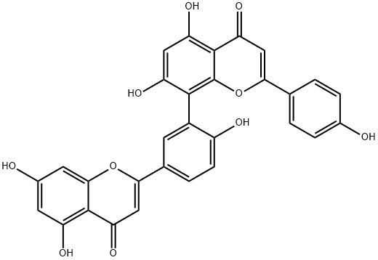 | 黄酮 | C1=CC(=CC=C1C2=CC(=O)C3=C(O2)C(=C(C=C3O)O)C4=C(C=CC(=C4)C5=CC(=O)C6=C(C=C(C=C6O5)O)O)O)O | InChI=1S/C30H18O10/c31-15-4-1-13(2-5-15)24-12-23(38)29-21(36)10-20(35)27(30(29)40-24)17-7-14(3-6-18(17)33)25-11-22(37)28-19(34)8-16(32)9-26(28)39-25/h1-12,31-36H | YUSWMAULDXZHPY-UHFFFAOYSA-N | 银杏叶
YXY-002 | 去甲银杏双黄酮（7-去甲基银杏双黄酮）（白果素） | Bilobetin | 521-32-4 | 552.1056 | C31H20O10 |  | 黄酮 | O=C1C=C(C2=CC=C(O)C=C2)OC3=C(C4=CC(C5=CC(C6=C(O)C=C(O)C=C6O5)=O)=CC=C4OC)C(O)=CC(O)=C13 | InChI=1S/C31H20O10/c1-39-24-7-4-15(26-12-22(37)29-19(34)9-17(33)10-27(29)40-26)8-18(24)28-20(35)11-21(36)30-23(38)13-25(41-31(28)30)14-2-5-16(32)6-3-14/h2-13,32-36H,1H3 | IWEIJEPIYMAGTH-UHFFFAOYSA-N | 银杏叶
YXY-003 | 银杏双黄酮（银杏素） | Ginkgetin | 481-46-9 | 566.1213 | C32H22O10 |  | 黄酮 | O=C1C=C(C2=CC=C(O)C=C2)OC3=C(C4=CC(C5=CC(C6=C(O)C=C(OC)C=C6O5)=O)=CC=C4OC)C(O)=CC(O)=C13 | InChI=1S/C32H22O10/c1-39-18-10-20(34)30-23(37)13-27(41-28(30)11-18)16-5-8-25(40-2)19(9-16)29-21(35)12-22(36)31-24(38)14-26(42-32(29)31)15-3-6-17(33)7-4-15/h3-14,33-36H,1-2H3 | AIFCFBUSLAEIBR-UHFFFAOYSA-N | 银杏叶
YXY-004 | 异银杏双黄酮（异银杏素） | Isoginkgetin | 548-19-6 | 566.1213 | C32H22O10 |  | 黄酮 | O=C1C=C(C2=CC=C(OC)C=C2)OC3=C(C4=CC(C5=CC(C6=C(O)C=C(O)C=C6O5)=O)=CC=C4OC)C(O)=CC(O)=C13 | InChI=1S/C32H22O10/c1-39-18-6-3-15(4-7-18)26-14-24(38)31-22(36)12-21(35)29(32(31)42-26)19-9-16(5-8-25(19)40-2)27-13-23(37)30-20(34)10-17(33)11-28(30)41-27/h3-14,33-36H,1-2H3 | HUOOMAOYXQFIDQ-UHFFFAOYSA-N | 银杏叶
YXY-005 | 银杏内酯A | GinkgolideA | 15291-75-5 | 408.1420 | C20H24O9 | 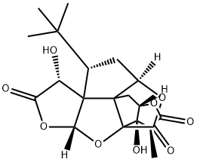 | 萜类 | C[C@@H]1C(=O)O[C@@H]2[C@]1([C@@]34C(=O)O[C@H]5[C@]3(C2)[C@@]6([C@@H](C5)C(C)(C)C)[C@H](C(=O)O[C@H]6O4)O)O | InChI=1S/C20H24O9/c1-7-12(22)26-10-6-17-9-5-8(16(2,3)4)18(17)11(21)13(23)28-15(18)29-20(17,14(24)27-9)19(7,10)25/h7-11,15,21,25H,5-6H2,1-4H3/t7-,8+,9-,10+,11+,15+,17-,18+,19-,20-/m1/s1 | FPUXKXIZEIDQKW-VKMVSBOZSA-N | 银杏叶
YXY-006 | 银杏内酯B | GinkgolideB | 15291-77-7 | 424.1369 | C20H24O10 | 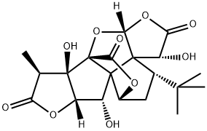 | 萜类 | C[C@@H]1C(=O)O[C@@H]2[C@]1([C@@]34C(=O)O[C@H]5[C@]3([C@@H]2O)[C@@]6([C@@H](C5)C(C)(C)C)[C@H](C(=O)O[C@H]6O4)O)O | InChI=1S/C20H24O10/c1-6-12(23)28-11-9(21)18-8-5-7(16(2,3)4)17(18)10(22)13(24)29-15(17)30-20(18,14(25)27-8)19(6,11)26/h6-11,15,21-22,26H,5H2,1-4H3/t6-,7+,8-,9-,10+,11+,15+,17+,18+,19-,20-/m1/s1 | SQOJOAFXDQDRGF-ZMVGXLHTSA-N | 银杏叶
YXY-007 | 银杏内酯C | GinkgolideC | 15291-76-6 | 440.1319 | C20H24O11 | 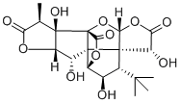 | 萜类 | C[C@@H]1C(=O)O[C@@H]2[C@]1([C@@]34C(=O)O[C@H]5[C@]3([C@H]2O)[C@@]6([C@@H]([C@H]5O)C(C)(C)C)[C@H](C(=O)O[C@H]6O4)O)O | InChI=1S/C20H24O11/c1-5-12(24)28-11-8(22)18-10-6(21)7(16(2,3)4)17(18)9(23)13(25)30-15(17)31-20(18,14(26)29-10)19(5,11)27/h5-11,15,21-23,27H,1-4H3/t5-,6-,7+,8+,9+,10-,11+,15+,17+,18-,19-,20-/m1/s1 | AMOGMTLMADGEOQ-DTDWCABLSA-N | 银杏叶
YXY-008 | 白果内酯 | Bilobalide | 33570-04-6 | 326.1002 | C15H18O8 | 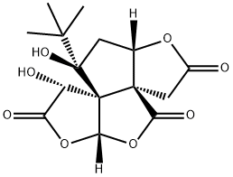 | 萜类 | CC(C)(C)[C@@]1(C[C@H]2[C@@]3([C@]14[C@H](C(=O)O[C@H]4OC3=O)O)CC(=O)O2)O | InChI=1S/C15H18O8/c1-12(2,3)14(20)4-6-13(5-7(16)21-6)10(19)23-11-15(13,14)8(17)9(18)22-11/h6,8,11,17,20H,4-5H2,1-3H3/t6-,8-,11-,13-,14+,15+/m0/s1 | MOLPUWBMSBJXER-YDGSQGCISA-N | 银杏叶
YXY-009 | 芹菜素 | Apigenin | 520-36-5 | 270.0528 | C15H10O5 |  | 黄酮 | C1=CC(=CC=C1C2=CC(=O)C3=C(C=C(C=C3O2)O)O)O | InChI=1S/C15H10O5/c16-9-3-1-8(2-4-9)13-7-12(19)15-11(18)5-10(17)6-14(15)20-13/h1-7,16-18H | KZNIFHPLKGYRTM-UHFFFAOYSA-N | 银杏叶
YXY-010 | 木犀草素 | Luteolin | 491-70-3 | 286.0477 | C15H10O6 | 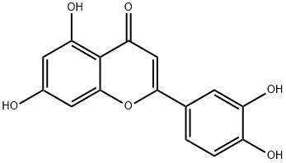 | 黄酮 | C1=CC(=C(C=C1C2=CC(=O)C3=C(C=C(C=C3O2)O)O)O)O | InChI=1S/C15H10O6/c16-8-4-11(19)15-12(20)6-13(21-14(15)5-8)7-1-2-9(17)10(18)3-7/h1-6,16-19H | IQPNAANSBPBGFQ-UHFFFAOYSA-N | 银杏叶
YXY-011 | 山奈酚 | Kaempferol | 520-18-3 | 286.0477 | C15H10O6 | 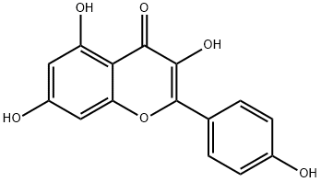 | 黄酮 | C1=CC(=CC=C1C2=C(C(=O)C3=C(C=C(C=C3O2)O)O)O)O | InChI=1S/C15H10O6/c16-8-3-1-7(2-4-8)15-14(20)13(19)12-10(18)5-9(17)6-11(12)21-15/h1-6,16-18,20H | IYRMWMYZSQPJKC-UHFFFAOYSA-N | 银杏叶
YXY-012 | 槲皮素 | Quercetin | 117-39-5 | 302.0427 | C15H10O7 | 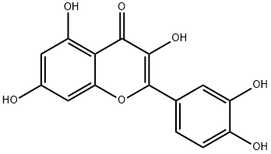 | 黄酮 | C1=CC(=C(C=C1C2=C(C(=O)C3=C(C=C(C=C3O2)O)O)O)O)O | InChI=1S/C15H10O7/c16-7-4-10(19)12-11(5-7)22-15(14(21)13(12)20)6-1-2-8(17)9(18)3-6/h1-5,16-19,21H | REFJWTPEDVJJIY-UHFFFAOYSA-N | 银杏叶
YXY-013 | 杨梅素 | Myricetin | 529-44-2 | 318.0376 | C15H10O8 | 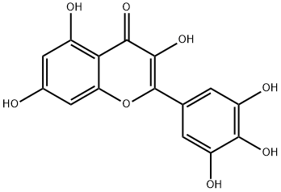 | 黄酮 | C1=C(C=C(C(=C1O)O)O)C2=C(C(=O)C3=C(C=C(C=C3O2)O)O)O | InChI=1S/C15H10O8/c16-6-3-7(17)11-10(4-6)23-15(14(22)13(11)21)5-1-8(18)12(20)9(19)2-5/h1-4,16-20,22H | IKMDFBPHZNJCSN-UHFFFAOYSA-N | 银杏叶
YXY-014 | 异鼠李素 | Isorhamnetin | 480-19-3 | 316.0583 | C16H12O7 | 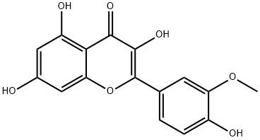 | 黄酮 | COC1=C(C=CC(=C1)C2=C(C(=O)C3=C(C=C(C=C3O2)O)O)O)O | InChI=1S/C16H12O7/c1-22-11-4-7(2-3-9(11)18)16-15(21)14(20)13-10(19)5-8(17)6-12(13)23-16/h2-6,17-19,21H,1H3 | IZQSVPBOUDKVDZ-UHFFFAOYSA-N | 银杏叶
YXY-015 | 杨梅苷 | Myricitrin | 17912-87-7 | 464.0955 | C21H20O12 | 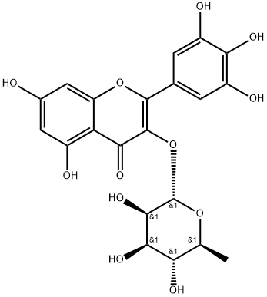 | 黄酮 | C[C@H]1[C@@H]([C@H]([C@H]([C@@H](O1)OC2=C(OC3=CC(=CC(=C3C2=O)O)O)C4=CC(=C(C(=C4)O)O)O)O)O)O | InChI=1S/C21H20O12/c1-6-14(26)17(29)18(30)21(31-6)33-20-16(28)13-9(23)4-8(22)5-12(13)32-19(20)7-2-10(24)15(27)11(25)3-7/h2-6,14,17-18,21-27,29-30H,1H3/t6-,14-,17+,18+,21-/m0/s1 | DCYOADKBABEMIQ-OWMUPTOHSA-N | 银杏叶
YXY-016 | 金丝桃苷 | Hyperoside | 482-36-0 | 464.0955 | C21H20O12 | 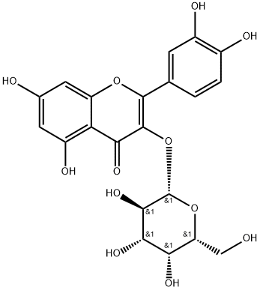 | 黄酮 | C1=CC(=C(C=C1C2=C(C(=O)C3=C(C=C(C=C3O2)O)O)O[C@H]4[C@@H]([C@H]([C@H]([C@H](O4)CO)O)O)O)O)O | InChI=1S/C21H20O12/c22-6-13-15(27)17(29)18(30)21(32-13)33-20-16(28)14-11(26)4-8(23)5-12(14)31-19(20)7-1-2-9(24)10(25)3-7/h1-5,13,15,17-18,21-27,29-30H,6H2/t13-,15+,17+,18-,21+/m1/s1 | OVSQVDMCBVZWGM-DTGCRPNFSA-N | 银杏叶
YXY-017 | 表没食子儿茶素 | (-)-Epigallocatechin | 970-74-1 | 306.0740 | C15H14O7 | 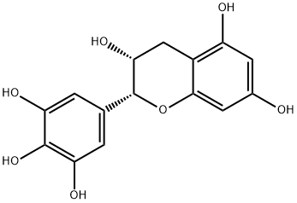 | 黄酮 | C1[C@H]([C@H](OC2=CC(=CC(=C21)O)O)C3=CC(=C(C(=C3)O)O)O)O | InChI=1S/C15H14O7/c16-7-3-9(17)8-5-12(20)15(22-13(8)4-7)6-1-10(18)14(21)11(19)2-6/h1-4,12,15-21H,5H2/t12-,15-/m1/s1 | XMOCLSLCDHWDHP-IUODEOHRSA-N | 银杏叶
YXY-018 | 芦丁 | Rutin | 153-18-4 | 610.1534 | C27H30O16 | 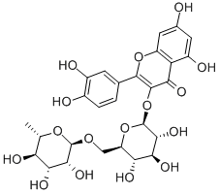 | 黄酮 | C[C@H]1[C@@H]([C@H]([C@H]([C@@H](O1)OC[C@@H]2[C@H]([C@@H]([C@H]([C@@H](O2)OC3=C(OC4=CC(=CC(=C4C3=O)O)O)C5=CC(=C(C=C5)O)O)O)O)O)O)O)O | InChI=1S/C27H30O16/c1-8-17(32)20(35)22(37)26(40-8)39-7-15-18(33)21(36)23(38)27(42-15)43-25-19(34)16-13(31)5-10(28)6-14(16)41-24(25)9-2-3-11(29)12(30)4-9/h2-6,8,15,17-18,20-23,26-33,35-38H,7H2,1H3/t8-,15+,17-,18+,20+,21-,22+,23+,26+,27-/m0/s1 | IKGXIBQEEMLURG-NVPNHPEKSA-N | 银杏叶
YXY-019 | 木犀草苷 | Cynaroside | 5373-11-5 | 448.1006 | C21H20O11 | 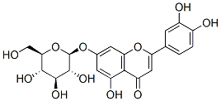 | 黄酮 | C1=CC(=C(C=C1C2=CC(=O)C3=C(C=C(C=C3O2)O[C@H]4[C@@H]([C@H]([C@@H]([C@H](O4)CO)O)O)O)O)O)O | InChI=1S/C21H20O11/c22-7-16-18(27)19(28)20(29)21(32-16)30-9-4-12(25)17-13(26)6-14(31-15(17)5-9)8-1-2-10(23)11(24)3-8/h1-6,16,18-25,27-29H,7H2/t16-,18-,19+,20-,21-/m1/s1 | PEFNSGRTCBGNAN-QNDFHXLGSA-N | 银杏叶
YXY-020 | 阿魏酸(香豆酸） | Ferulic Acid | 1135-24-6 | 194.0579 | C10H10O4 |  | 其他 | COC1=C(C=CC(=C1)/C=C/C(=O)O)O | InChI=1S/C10H10O4/c1-14-9-6-7(2-4-8(9)11)3-5-10(12)13/h2-6,11H,1H3,(H,12,13)/b5-3+ | KSEBMYQBYZTDHS-HWKANZROSA-N | 银杏叶
YXY-021 | 咖啡酸 | Caffeic acid | 331-39-5 | 180.0423 | C9H8O4 | 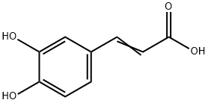 | 其他 | C1=CC(=C(C=C1/C=C/C(=O)O)O)O | InChI=1S/C9H8O4/c10-7-3-1-6(5-8(7)11)2-4-9(12)13/h1-5,10-11H,(H,12,13)/b4-2+ | QAIPRVGONGVQAS-DUXPYHPUSA-N | 银杏叶
YXY-022 | 柚皮素 | Naringenin | 480-41-1 | 272.0685 | C15H12O5 | 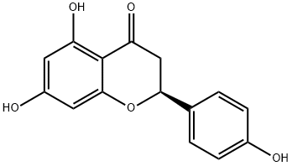 | 黄酮 | C1[C@H](OC2=CC(=CC(=C2C1=O)O)O)C3=CC=C(C=C3)O | InChI=1S/C15H12O5/c16-9-3-1-8(2-4-9)13-7-12(19)15-11(18)5-10(17)6-14(15)20-13/h1-6,13,16-18H,7H2/t13-/m0/s1 | FTVWIRXFELQLPI-ZDUSSCGKSA-N | 银杏叶
YXY-023 | 山奈素 | Kaempferide | 491-54-3 | 300.0634 | C16H12O6 | 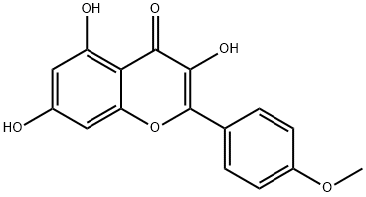 | 黄酮 | COC1=CC=C(C=C1)C2=C(C(=O)C3=C(C=C(C=C3O2)O)O)O | InChI=1S/C16H12O6/c1-21-10-4-2-8(3-5-10)16-15(20)14(19)13-11(18)6-9(17)7-12(13)22-16/h2-7,17-18,20H,1H3 | SQFSKOYWJBQGKQ-UHFFFAOYSA-N | 银杏叶
YXY-024 | 芫花素 | 4',5-DIHYDROXY-7-METHOXYFLAVONE | 437-64-9 | 284.0685 | C16H12O5 | 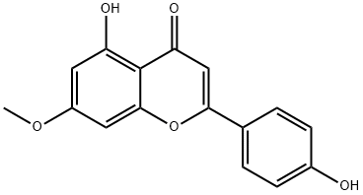 | 黄酮 | COC1=CC(=C2C(=C1)OC(=CC2=O)C3=CC=C(C=C3)O)O | InChI=1S/C16H12O5/c1-20-11-6-12(18)16-13(19)8-14(21-15(16)7-11)9-2-4-10(17)5-3-9/h2-8,17-18H,1H3 | JPMYFOBNRRGFNO-UHFFFAOYSA-N | 银杏叶
YXY-025 | 丁香黄素（丁香亭） | Syringetin | 4423-37-4 | 346.0689 | C17H14O8 | 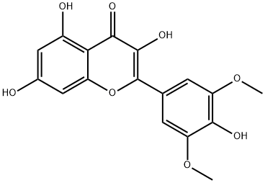 | 黄酮 | COC1=CC(=CC(=C1O)OC)C2=C(C(=O)C3=C(C=C(C=C3O2)O)O)O | InChI=1S/C17H14O8/c1-23-11-3-7(4-12(24-2)14(11)20)17-16(22)15(21)13-9(19)5-8(18)6-10(13)25-17/h3-6,18-20,22H,1-2H3 | UZMAPBJVXOGOFT-UHFFFAOYSA-N | 银杏叶
YXY-026 | 芹菜素-7-O-β-D-葡萄糖苷 | Apigenin 7-glucoside | 578-74-5 | 432.1056 | C21H20O10 | 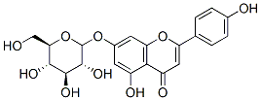 | 黄酮 | C1=CC(=CC=C1C2=CC(=O)C3=C(C=C(C=C3O2)O[C@H]4[C@@H]([C@H]([C@@H]([C@H](O4)CO)O)O)O)O)O | InChI=1S/C21H20O10/c22-8-16-18(26)19(27)20(28)21(31-16)29-11-5-12(24)17-13(25)7-14(30-15(17)6-11)9-1-3-10(23)4-2-9/h1-7,16,18-24,26-28H,8H2/t16-,18-,19+,20-,21-/m1/s1 | KMOUJOKENFFTPU-QNDFHXLGSA-N | 银杏叶
YXY-027 | 木犀草素-3'-O-β-D-葡萄糖苷 | Luteolin-3'-D-glucuronide | 53527-42-7 | 462.0798 | C21H18O12 |  | 黄酮 | C1=CC(=C(C=C1C2=CC(=O)C3=C(C=C(C=C3O2)O)O)O[C@H]4[C@@H]([C@H]([C@@H]([C@H](O4)C(=O)O)O)O)O)O | InChI=1S/C21H18O12/c22-8-4-10(24)15-11(25)6-12(31-14(15)5-8)7-1-2-9(23)13(3-7)32-21-18(28)16(26)17(27)19(33-21)20(29)30/h1-6,16-19,21-24,26-28H,(H,29,30)/t16-,17-,18+,19-,21+/m0/s1 | JDOFZOKGCYYUER-ZFORQUDYSA-N | 银杏叶
YXY-028 | 木犀草素-4'-O-β-D-葡萄糖苷 | Luteolin-4'-O-β-D-glucoside | 6920-38-3 | 448.1006 | C21H20O11 | 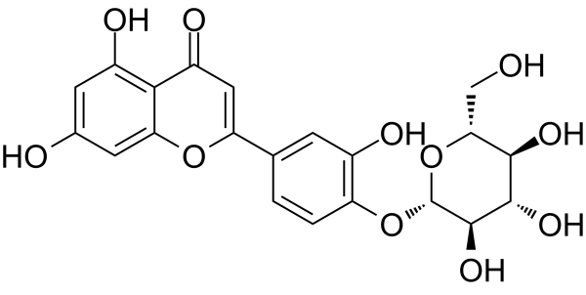 | 黄酮 | C1=CC(=C(C=C1C2=CC(=O)C3=C(C=C(C=C3O2)O)O)O)O[C@H]4[C@@H]([C@H]([C@@H]([C@H](O4)CO)O)O)O | InChI=1S/C21H20O11/c22-7-16-18(27)19(28)20(29)21(32-16)31-13-2-1-8(3-10(13)24)14-6-12(26)17-11(25)4-9(23)5-15(17)30-14/h1-6,16,18-25,27-29H,7H2/t16-,18-,19+,20-,21-/m1/s1 | UHNXUSWGOJMEFO-QNDFHXLGSA-N | 银杏叶
YXY-029 | 甲氧基木犀草素-7-O-β-D-葡萄糖苷 | Chrysoeriol-7-O-β-D-glucoside | 19993-32-9 | 462.1162 | C22H22O11 |  | 黄酮 | COC1=C(C=CC(=C1)C2=CC(=O)C3=C(C=C(C=C3O2)O[C@H]4[C@@H]([C@H]([C@@H]([C@H](O4)CO)O)O)O)O)O | InChI=1S/C22H22O11/c1-30-15-4-9(2-3-11(15)24)14-7-13(26)18-12(25)5-10(6-16(18)32-14)31-22-21(29)20(28)19(27)17(8-23)33-22/h2-7,17,19-25,27-29H,8H2,1H3/t17-,19-,20+,21-,22-/m1/s1 | GAMYVSCDDLXAQW-MIUGBVLSSA-N | 银杏叶
YXY-030 | 槲皮素-3-O-β-D-葡萄糖苷（ 异懈皮苷） | Quercetin-3-O-β-D-glucoside | 482-35-9 | 464.0955 | C21H20O12 | 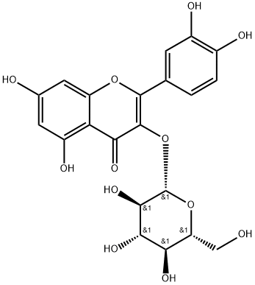 | 黄酮 | C1=CC(=C(C=C1C2=C(C(=O)C3=C(C=C(C=C3O2)O)O)O[C@H]4[C@@H]([C@H]([C@@H]([C@H](O4)CO)O)O)O)O)O | InChI=1S/C21H20O12/c22-6-13-15(27)17(29)18(30)21(32-13)33-20-16(28)14-11(26)4-8(23)5-12(14)31-19(20)7-1-2-9(24)10(25)3-7/h1-5,13,15,17-18,21-27,29-30H,6H2/t13-,15-,17+,18-,21+/m1/s1 | OVSQVDMCBVZWGM-QSOFNFLRSA-N | 银杏叶
YXY-031 | 山奈素-3-O-β-D-葡萄糖苷（紫云英苷） | Kaempferol-3-O-β-D-glucoside | 480-10-4 | 448.1006 | C21H20O11 |  | 黄酮 | C1=CC(=CC=C1C2=C(C(=O)C3=C(C=C(C=C3O2)O)O)O[C@H]4[C@@H]([C@H]([C@@H]([C@H](O4)CO)O)O)O)O | InChI=1S/C21H20O11/c22-7-13-15(26)17(28)18(29)21(31-13)32-20-16(27)14-11(25)5-10(24)6-12(14)30-19(20)8-1-3-9(23)4-2-8/h1-6,13,15,17-18,21-26,28-29H,7H2/t13-,15-,17+,18-,21+/m1/s1 | JPUKWEQWGBDDQB-QSOFNFLRSA-N | 银杏叶
YXY-032 | 槲皮素-3-O-A-L-鼠李糖苷 | Quercetin-3-O-A-L-rhamnoside | 494859-14-2 | 448.1006 | C21H20O11 | 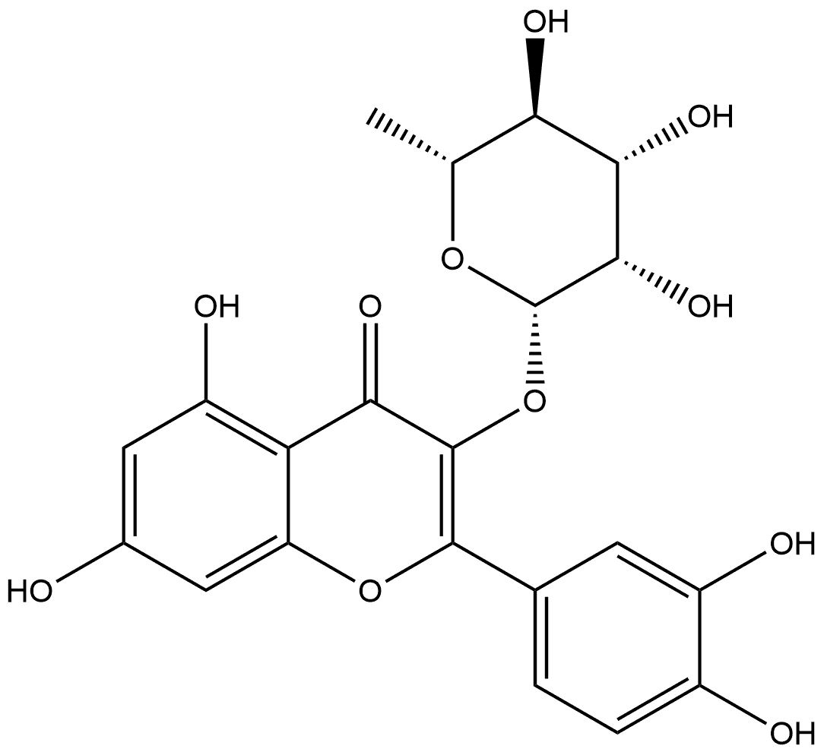 | 黄酮 |  |  |  | 银杏叶
YXY-033 | 山柰素-3-O-a-L-鼠李糖苷 | Kaempferol-3-O-a-L-rhamnoside | 915778-43-7 | 432.1056 | C21H20O10 |  | 黄酮 |  |  |  | 银杏叶
YXY-034 | 山柰素-7-O-β-D-葡萄糖苷 | Kaempferol-7-O-β-D-glucoside | 16290-07-6 | 448.1006 | C21H20O11 |  | 黄酮 | C1=CC(=CC=C1C2=C(C(=O)C3=C(C=C(C=C3O2)O[C@H]4[C@@H]([C@H]([C@@H]([C@H](O4)CO)O)O)O)O)O)O | InChI=1S/C21H20O11/c22-7-13-15(25)17(27)19(29)21(32-13)30-10-5-11(24)14-12(6-10)31-20(18(28)16(14)26)8-1-3-9(23)4-2-8/h1-6,13,15,17,19,21-25,27-29H,7H2/t13-,15-,17+,19-,21-/m1/s1 | YPWHZCPMOQGCDQ-HMGRVEAOSA-N | 银杏叶
YXY-035 | 异鼠李素-3-O-β-D-葡萄糖苷 | Isorhamnetin-3-O-β-D-glucoside | 5041-82-7 | 478.1111 | C22H22O12 | 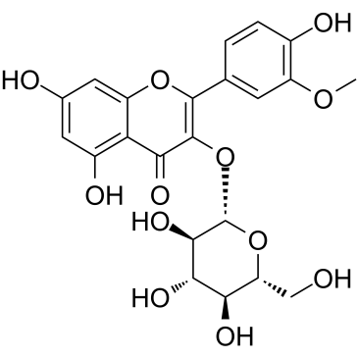 | 黄酮 | COC1=C(C=CC(=C1)C2=C(C(=O)C3=C(C=C(C=C3O2)O)O)O[C@H]4[C@@H]([C@H]([C@@H]([C@H](O4)CO)O)O)O)O | InChI=1S/C22H22O12/c1-31-12-4-8(2-3-10(12)25)20-21(17(28)15-11(26)5-9(24)6-13(15)32-20)34-22-19(30)18(29)16(27)14(7-23)33-22/h2-6,14,16,18-19,22-27,29-30H,7H2,1H3/t14-,16-,18+,19-,22+/m1/s1 | CQLRUIIRRZYHHS-LFXZADKFSA-N | 银杏叶
YXY-036 | 山柰素-3-O-β-D-芸香糖苷 | Kaempferol-3-O-β-D-rutinoside | 17650-84-9 | 594.1585 | C27H30O15 |  | 黄酮 | C[C@H]1[C@@H]([C@H]([C@H]([C@@H](O1)OC[C@@H]2[C@H]([C@@H]([C@H]([C@@H](O2)OC3=C(OC4=CC(=CC(=C4C3=O)O)O)C5=CC=C(C=C5)O)O)O)O)O)O)O | InChI=1S/C27H30O15/c1-9-17(31)20(34)22(36)26(39-9)38-8-15-18(32)21(35)23(37)27(41-15)42-25-19(33)16-13(30)6-12(29)7-14(16)40-24(25)10-2-4-11(28)5-3-10/h2-7,9,15,17-18,20-23,26-32,34-37H,8H2,1H3/t9-,15+,17-,18+,20+,21-,22+,23+,26+,27-/m0/s1 | RTATXGUCZHCSNG-QHWHWDPRSA-N | 银杏叶
YXY-037 | 异鼠李素-3-O-β-D-芸香糖苷（水仙苷） | Isorhamnetin-3-O-β-D-rutinoside | 604-80-8 | 624.1290 | C28H32O16 |  | 黄酮 | C[C@H]1[C@@H]([C@H]([C@H]([C@@H](O1)OC[C@@H]2[C@H]([C@@H]([C@H]([C@@H](O2)OC3=C(OC4=CC(=CC(=C4C3=O)O)O)C5=CC(=C(C=C5)O)OC)O)O)O)O)O)O | InChI=1S/C28H32O16/c1-9-18(32)21(35)23(37)27(41-9)40-8-16-19(33)22(36)24(38)28(43-16)44-26-20(34)17-13(31)6-11(29)7-15(17)42-25(26)10-3-4-12(30)14(5-10)39-2/h3-7,9,16,18-19,21-24,27-33,35-38H,8H2,1-2H3/t9-,16+,18-,19+,21+,22-,23+,24+,27+,28-/m0/s1 | UIDGLYUNOUKLBM-GEBJFKNCSA-N | 银杏叶
YXY-038 | 槲皮素 3-O-葡萄糖基 (1→2)鼠李糖苷 | Quercetin-3-O-β-D-glucosyl(1-2)-O-a-L-rhamnoside | 143016-74-4 | 610.1534 | C27H30O16 |  | 黄酮 | C[C@H]1[C@@H]([C@H]([C@H]([C@@H](O1)OC2=C(OC3=CC(=CC(=C3C2=O)O)O)C4=CC(=C(C=C4)O)O)O[C@H]5[C@@H]([C@H]([C@@H]([C@H](O5)CO)O)O)O)O)O | InChI=1S/C27H30O16/c1-8-17(33)21(37)25(43-26-22(38)20(36)18(34)15(7-28)41-26)27(39-8)42-24-19(35)16-13(32)5-10(29)6-14(16)40-23(24)9-2-3-11(30)12(31)4-9/h2-6,8,15,17-18,20-22,25-34,36-38H,7H2,1H3/t8-,15+,17-,18+,20-,21+,22+,25+,26-,27-/m0/s1 | DFNXNCCYQRPZMD-ZDOVWLMSSA-N | 银杏叶
YXY-039 | 山柰素-3-O-β-D-葡萄糖基(1-2)-O-a-L-鼠李糖苷 | kaempferol-3-O-glucosyl(1-2)rhamnoside | 142451-65-8 | 594.1585 | C27H30O15 |  | 黄酮 | C[C@H]1[C@@H]([C@H]([C@H]([C@@H](O1)OC2=C(OC3=CC(=CC(=C3C2=O)O)O)C4=CC=C(C=C4)O)O[C@H]5[C@@H]([C@H]([C@@H]([C@H](O5)CO)O)O)O)O)O | InChI=1S/C27H30O15/c1-9-17(32)21(36)25(42-26-22(37)20(35)18(33)15(8-28)40-26)27(38-9)41-24-19(34)16-13(31)6-12(30)7-14(16)39-23(24)10-2-4-11(29)5-3-10/h2-7,9,15,17-18,20-22,25-33,35-37H,8H2,1H3/t9-,15+,17-,18+,20-,21+,22+,25+,26-,27-/m0/s1 | BCNBWICEIXAVQF-DLVIKRKZSA-N | 银杏叶
YXY-040 | 异鼠李素-3-O-B-D-葡萄糖基(1-2)-O-a-L-鼠李糖苷 | Isorhamnetin-3-O-rhamnosyl(1-2)glucoside | 64812-31-3 | 624.1690 | C28H32O16 |  | 黄酮 | C[C@H]1[C@H]([C@H]([C@@H]([C@@H](O1)O[C@@H]2[C@H]([C@@H]([C@H](O[C@H]2OC3=C(OC4=CC(=CC(=C4C3=O)O)O)C5=CC(=C(C=C5)O)OC)CO)O)O)O)O)O | InChI=1S/C28H32O16/c1-9-18(33)21(36)23(38)27(40-9)44-26-22(37)19(34)16(8-29)42-28(26)43-25-20(35)17-13(32)6-11(30)7-15(17)41-24(25)10-3-4-12(31)14(5-10)39-2/h3-7,9,16,18-19,21-23,26-34,36-38H,8H2,1-2H3/t9-,16+,18+,19+,21+,22-,23-,26+,27-,28-/m0/s1 | QHLKSZBFIJJREC-CBHSCBLSSA-N | 银杏叶
YXY-041 | 杨梅素-3-O-β-D-芸香糖苷 | Myricetin-3-O-β-D-rutinoside | 41093-68-9 | 626.1483 | C27H30O17 |  | 黄酮 | C[C@H]1[C@@H]([C@H]([C@H]([C@@H](O1)OC[C@@H]2[C@H]([C@@H]([C@H]([C@@H](O2)OC3=C(OC4=CC(=CC(=C4C3=O)O)O)C5=CC(=C(C(=C5)O)O)O)O)O)O)O)O)O | InChI=1S/C27H30O17/c1-7-16(32)20(36)22(38)26(41-7)40-6-14-18(34)21(37)23(39)27(43-14)44-25-19(35)15-10(29)4-9(28)5-13(15)42-24(25)8-2-11(30)17(33)12(31)3-8/h2-5,7,14,16,18,20-23,26-34,36-39H,6H2,1H3/t7-,14+,16-,18+,20+,21-,22+,23+,26+,27-/m0/s1 | QCIILLDRJZPUDI-PHTGNFSXSA-N | 银杏叶
YXY-042 | 3’-甲基杨梅素-3-O-β-D-芸香糖苷 | Methylmyricetin-3-O-β-D-rutinoside | 55481-90-8 | 640.1639 | C28H32O17 | 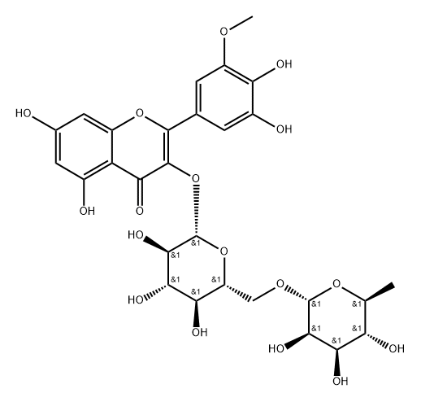 | 黄酮 | CC1[C@@H]([C@@H](C([C@@H](O1)OCC2[C@H](C(C([C@@H](O2)OC3=C(OC4=CC(=CC(=C4C3=O)O)O)C5=CC(=C(C(=C5)OC)O)O)O)O)O)O)O)O | InChI=1S/C28H32O17/c1-8-17(32)21(36)23(38)27(42-8)41-7-15-19(34)22(37)24(39)28(44-15)45-26-20(35)16-11(30)5-10(29)6-13(16)43-25(26)9-3-12(31)18(33)14(4-9)40-2/h3-6,8,15,17,19,21-24,27-34,36-39H,7H2,1-2H3/t8?,15?,17-,19+,21-,22?,23?,24?,27+,28-/m0/s1 | IEPKWJCBNGNVDF-VZIOTDLESA-N | 银杏叶
YXY-043 | 丁香亭-3-O-β-D-芸香糖苷 | Syringetin-3-O-β-D-rutinoside | 53430-50-5 | 654.1796 | C29H34O17 |  | 黄酮 | C[C@H]1[C@@H]([C@H]([C@H]([C@@H](O1)OC[C@@H]2[C@H]([C@@H]([C@H]([C@@H](O2)OC3=C(OC4=CC(=CC(=C4C3=O)O)O)C5=CC(=C(C(=C5)OC)O)OC)O)O)O)O)O)O | InChI=1S/C29H34O17/c1-9-18(32)22(36)24(38)28(43-9)42-8-16-20(34)23(37)25(39)29(45-16)46-27-21(35)17-12(31)6-11(30)7-13(17)44-26(27)10-4-14(40-2)19(33)15(5-10)41-3/h4-7,9,16,18,20,22-25,28-34,36-39H,8H2,1-3H3/t9-,16+,18-,20+,22+,23-,24+,25+,28+,29-/m0/s1 | BWDMLCWSGGUHGK-MWLOISQDSA-N | 银杏叶
YXY-044 | 5，7-二羟基-4’-甲氧黄酮醇-3-O-β-D-芸香糖苷 | 5,7-Dihydroxyl-4’-methoxylflavonol-3-O-B-D-rutinoside | / | 608.1741 | C28H32O15 |  | 黄酮 |  |  |  | 银杏叶
YXY-045 | 槲皮素-3-O-(2",6"-α-L-二鼠李糖)-β-D-葡萄糖苷/槲皮素-3-O-芸香糖-(1→2)-O-鼠李糖苷 | Quercetin 3-O-rutinoside-(1→2)-O-rhamnoside | 55696-57-6 | 756.2113 | C33H40O20 |  | 黄酮 | C[C@H]1[C@@H]([C@H]([C@H]([C@@H](O1)OC[C@@H]2[C@H]([C@@H]([C@H]([C@@H](O2)OC3=C(OC4=CC(=CC(=C4C3=O)O)O)C5=CC(=C(C=C5)O)O)O[C@H]6[C@@H]([C@@H]([C@H]([C@@H](O6)C)O)O)O)O)O)O)O)O | InChI=1S/C33H40O20/c1-9-19(38)23(42)26(45)31(48-9)47-8-17-21(40)25(44)30(53-32-27(46)24(43)20(39)10(2)49-32)33(51-17)52-29-22(41)18-15(37)6-12(34)7-16(18)50-28(29)11-3-4-13(35)14(36)5-11/h3-7,9-10,17,19-21,23-27,30-40,42-46H,8H2,1-2H3/t9-,10-,17+,19-,20-,21+,23+,24+,25-,26+,27+,30+,31+,32-,33-/m0/s1 | HKNBJSRIYRDSLB-MAWNCODISA-N | 银杏叶
YXY-046 | 山柰酚-3-O-(2",6"-a-L-二鼠李糖)-β-D-葡萄糖苷（ 碟豆宁） | Kaempferol-3-O-(2-O,6-O-Bis(α-L-thamnosyl)-β-D-glucoside（clitorin） | 55804-74-5 | 740.2164 | C33H40O19 |  | 黄酮 | C[C@H]1[C@@H]([C@H]([C@H]([C@@H](O1)OC[C@@H]2[C@H]([C@@H]([C@H]([C@@H](O2)OC3=C(OC4=CC(=CC(=C4C3=O)O)O)C5=CC=C(C=C5)O)O[C@H]6[C@@H]([C@@H]([C@H]([C@@H](O6)C)O)O)O)O)O)O)O)O | InChI=1S/C33H40O19/c1-10-19(37)23(41)26(44)31(47-10)46-9-17-21(39)25(43)30(52-32-27(45)24(42)20(38)11(2)48-32)33(50-17)51-29-22(40)18-15(36)7-14(35)8-16(18)49-28(29)12-3-5-13(34)6-4-12/h3-8,10-11,17,19-21,23-27,30-39,41-45H,9H2,1-2H3/t10-,11-,17+,19-,20-,21+,23+,24+,25-,26+,27+,30+,31+,32-,33-/m0/s1 | WRXVPTMENPZUIZ-QEZWUOJGSA-N | 银杏叶
YXY-047 | 异鼠李素-3-O-(2-O，6-O-二鼠李糖基)-β-D-葡萄糖苷 | Isorhamnetin-3-O-(2-O,6-O-Bis(a-L-thamnosy)-β-D-glucoside | / | 770.6600 | C33H40O19 |  | 黄酮 |  |  |  | 银杏叶
YXY-048 | 山柰素-3-O-[2"-6"'-{p-(7""-葡萄糖基)香豆酰基}-葡萄糖基]-鼠李糖苷 | Kaempferol-3-O-[2"-6"'-{p-(7""-glucosyl)coumaroyl}-glucosyl]-rhamnoside | / | 902.8000 | C42H46O22 |  | 黄酮 |  |  |  | 银杏叶
YXY-049 | 槲皮素-3-O-[2"-6"'-{p-(7""-葡萄糖基)香豆酰基}-葡萄糖基]-鼠李糖苷 | Quercetin-3-O-[2"-6"'-{p-(7""-glucosy l)coumaroyl}-glucosyl]-rhamnoside | / | 918.8000 | C42H46O23 |  | 黄酮 |  |  |  | 银杏叶
YXY-050 | 槲皮素 3-O-2''-(6''-P-反式-香豆酰基)-葡萄糖鼠李糖基-7-O-β-D-葡萄糖苷 | Quercetin-3-O-[2"-(6"-p-trans-coumaroyl)-glucosyl]-rhamnosyl-7-O-glucoside | 1575672-58-0 | 918.2430 | C42H46O23 |  | 黄酮 | C[C@H]1[C@@H]([C@H]([C@H]([C@@H](O1)OC2=C(OC3=CC(=CC(=C3C2=O)O)O[C@H]4[C@@H]([C@H]([C@@H]([C@H](O4)CO)O)O)O)C5=CC(=C(C=C5)O)O)O[C@H]6[C@@H]([C@H]([C@@H]([C@H](O6)COC(=O)/C=C/C7=CC=C(C=C7)O)O)O)O)O)O | InChI=1S/C42H46O23/c1-15-28(49)34(55)39(65-41-36(57)33(54)30(51)25(63-41)14-58-26(48)9-4-16-2-6-18(44)7-3-16)42(59-15)64-38-31(52)27-22(47)11-19(60-40-35(56)32(53)29(50)24(13-43)62-40)12-23(27)61-37(38)17-5-8-20(45)21(46)10-17/h2-12,15,24-25,28-30,32-36,39-47,49-51,53-57H,13-14H2,1H3/b9-4+/t15-,24+,25+,28-,29+,30+,32-,33-,34+,35+,36+,39+,40+,41-,42-/m0/s1 | SHRUKDVTMUBNTL-XJRUTDMXSA-N | 银杏叶
YXY-051 | 山柰素-3-O-[2"-(6"'-p-香豆酰基)-葡萄糖基1-鼠李糖基-7-O-葡萄糖苷 | Kaempferol-3-O-[2"-(6""-p-coumaroyl) -glucosyl]-rhamnosyl-7-O-glucoside | / | 902.8000 | C42H46O22 |  | 黄酮 |  |  |  | 银杏叶
YXY-052 | 山柰素-3-O-[2"-(6"-p-反式-香豆酰基)-葡萄糖基]-鼠李糖苷 | kaempferol 3-O-alpha-L-[6"'-p-trans-coumaroyl-β-D-glucopyranosyl-(1→2)-rhamnopyranoside] | 111957-48-3 | 740.1952 | C36H36O17 |  | 黄酮 | C[C@H]1[C@@H]([C@H]([C@H]([C@@H](O1)OC2=C(OC3=CC(=CC(=C3C2=O)O)O)C4=CC=C(C=C4)O)O[C@H]5[C@@H]([C@H]([C@@H]([C@H](O5)COC(=O)/C=C/C6=CC=C(C=C6)O)O)O)O)O)O | InChI=1S/C36H36O17/c1-15-26(42)30(46)34(53-35-31(47)29(45)27(43)23(51-35)14-48-24(41)11-4-16-2-7-18(37)8-3-16)36(49-15)52-33-28(44)25-21(40)12-20(39)13-22(25)50-32(33)17-5-9-19(38)10-6-17/h2-13,15,23,26-27,29-31,34-40,42-43,45-47H,14H2,1H3/b11-4+/t15-,23+,26-,27+,29-,30+,31+,34+,35-,36-/m0/s1 | KAJMZANRKFVVKV-RGXKZFLBSA-N | 银杏叶
YXY-053 | 槲皮素-3-O-[2"-(6"-p-顺式-香豆酰基)-葡萄糖基]-鼠李糖苷 | Quercetin-3-O-[2"-(6"-p-cis-coumaroyl)-glucosyl]-rhamnoside | 891194-26-6 | 756.1902 | C36H36O18 |  | 黄酮 | C[C@H]1[C@@H]([C@H]([C@H]([C@@H](O1)OC2=C(OC3=CC(=CC(=C3C2=O)O)O)C4=CC(=C(C=C4)O)O)O[C@H]5[C@@H]([C@H]([C@@H]([C@H](O5)COC(=O)/C=C\C6=CC=C(C=C6)O)O)O)O)O)O | InChI=1S/C36H36O18/c1-14-26(43)30(47)34(54-35-31(48)29(46)27(44)23(52-35)13-49-24(42)9-4-15-2-6-17(37)7-3-15)36(50-14)53-33-28(45)25-21(41)11-18(38)12-22(25)51-32(33)16-5-8-19(39)20(40)10-16/h2-12,14,23,26-27,29-31,34-41,43-44,46-48H,13H2,1H3/b9-4-/t14-,23+,26-,27+,29-,30+,31+,34+,35-,36-/m0/s1 | LSMKTLJKBSXMMR-BLLMANHOSA-N | 银杏叶
YXY-054 | 异鼠李素-3-O-[2"-(6"'-p-香豆酰基)-葡萄糖基]-鼠李糖苷 | Isorhamnetin-3-O-[2"-(6"'-p-coumaroyl)-glucosyl]-rhamnoside | / | 770.6900 | C37H38O18 |  | 黄酮 |  |  |  | 银杏叶
YXY-055 | 染料木素 | Genistein | 446-72-0 | 270.0528 | C15H10O5 | 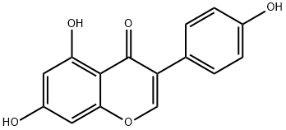 | 黄酮 | C1=CC(=CC=C1C2=COC3=CC(=CC(=C3C2=O)O)O)O | InChI=1S/C15H10O5/c16-9-3-1-8(2-4-9)11-7-20-13-6-10(17)5-12(18)14(13)15(11)19/h1-7,16-18H | TZBJGXHYKVUXJN-UHFFFAOYSA-N | 银杏叶
YXY-056 | 5，7，4'-三羟基二氢黄酮醇 | 5，7，4'-Trihydroxy-flavone | / | 288.2522 | C15H12O6 |  | 黄酮 |  |  |  | 银杏叶
YXY-057 | 表儿茶素 | L-Epicatechin | 490-46-0 | 290.0790 | C15H14O6 |  | 黄酮 | C1[C@H]([C@H](OC2=CC(=CC(=C21)O)O)C3=CC(=C(C=C3)O)O)O | InChI=1S/C15H14O6/c16-8-4-11(18)9-6-13(20)15(21-14(9)5-8)7-1-2-10(17)12(19)3-7/h1-5,13,15-20H,6H2/t13-,15-/m1/s1 | PFTAWBLQPZVEMU-UKRRQHHQSA-N | 银杏叶
YXY-058 | 儿茶素((-)-儿茶素水合物) | (-)-CATECHIN HYDRATE | 18829-70-4 | 290.0790 | C15H14O6 | 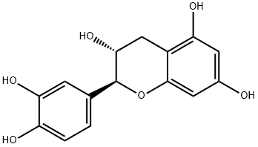 | 黄酮 | C1[C@H]([C@@H](OC2=CC(=CC(=C21)O)O)C3=CC(=C(C=C3)O)O)O | InChI=1S/C15H14O6/c16-8-4-11(18)9-6-13(20)15(21-14(9)5-8)7-1-2-10(17)12(19)3-7/h1-5,13,15-20H,6H2/t13-,15+/m1/s1 | PFTAWBLQPZVEMU-HIFRSBDPSA-N | 银杏叶
YXY-059 | 没食子儿茶素((-)-倍儿茶酸) | (-)-GALLOCATECHIN | 3371-27-5 | 306.0740 | C15H14O7 |  | 黄酮 | C1[C@H]([C@@H](OC2=CC(=CC(=C21)O)O)C3=CC(=C(C(=C3)O)O)O)O | InChI=1S/C15H14O7/c16-7-3-9(17)8-5-12(20)15(22-13(8)4-7)6-1-10(18)14(21)11(19)2-6/h1-4,12,15-21H,5H2/t12-,15+/m1/s1 | XMOCLSLCDHWDHP-DOMZBBRYSA-N | 银杏叶
YXY-060 | 金松双黄酮 | Sciadopitysin | 521-34-6 | 580.1369 | C33H24O10 |  | 黄酮 | COC1=CC=C(C=C1)C2=CC(=O)C3=C(O2)C(=C(C=C3O)O)C4=C(C=CC(=C4)C5=CC(=O)C6=C(C=C(C=C6O5)OC)O)OC | InChI=1S/C33H24O10/c1-39-18-7-4-16(5-8-18)27-15-25(38)32-23(36)13-22(35)30(33(32)43-27)20-10-17(6-9-26(20)41-3)28-14-24(37)31-21(34)11-19(40-2)12-29(31)42-28/h4-15,34-36H,1-3H3 | YCXRBCHEOFVYEN-UHFFFAOYSA-N | 银杏叶
YXY-061 | 5'-甲氧去甲银杏双黄酮 | 5'-Methoxybilobetin | / | 566.0000 | C32H22O11 |  | 黄酮 |  |  |  | 银杏叶
YXY-062 | 银杏双黄酮-7"-O-β-D-葡萄糖苷 | Ginkgetin-7"-O-β-D-glucoside | / | 728.6500 | C38H32O15 |  | 黄酮 |  |  |  | 银杏叶
YXY-063 | 异银杏双黄酮-7-O-β-D-葡萄糖苷 | Isoginkgetin-7-O-β-D-glucoside | / | 728.6600 | C38H32O15 |  | 黄酮 |  |  |  | 银杏叶
YXY-064 | 2，3-二氢金松双黄酮 | 2,3-Dihydro-5,5'',7''-trihydroxy-4',4''',7-trimethoxy-3',8''-biflavone | 34421-19-7 | 582.1526 | C33H26O10 |  | 黄酮 | COC1=CC=C(C=C1)C2=CC(=O)C3=C(O2)C(=C(C=C3O)O)C4=C(C=CC(=C4)[C@@H]5CC(=O)C6=C(C=C(C=C6O5)OC)O)OC | InChI=1S/C33H26O10/c1-39-18-7-4-16(5-8-18)27-15-25(38)32-23(36)13-22(35)30(33(32)43-27)20-10-17(6-9-26(20)41-3)28-14-24(37)31-21(34)11-19(40-2)12-29(31)42-28/h4-13,15,28,34-36H,14H2,1-3H3/t28-/m0/s1 | IHBQEDJQLPQAHW-NDEPHWFRSA-N | 银杏叶
YXY-065 | 银杏内酯M(白果苦内酯M) | GinkgolideM | 15291-78-8 | 424.1369 | C20H24O10 |  | 萜类 | C[C@H]1[C@H]2[C@H]([C@@H]([C@@]34[C@]25C(=O)OC3[C@@H]([C@H](C46[C@H](C(=O)OC6O5)O)C(C)(C)C)O)O)OC1=O | InChI=1S/C20H24O10/c1-5-6-8(27-13(5)24)10(22)19-12-7(21)9(17(2,3)4)18(19)11(23)14(25)29-16(18)30-20(6,19)15(26)28-12/h5-12,16,21-23H,1-4H3/t5-,6-,7+,8+,9-,10-,11-,12?,16?,18?,19+,20+/m0/s | KDKROYXEHCYLJQ-DDQXZYLESA-N | 银杏叶
YXY-066 | 银杏内酯J | GinkgolideJ | 107438-79-9 | 424.1369 | C20H24O10 |  | 萜类 | C[C@@H]1C(=O)O[C@@H]2[C@]1([C@@]34C(=O)O[C@H]5[C@]3(C2)[C@@]6([C@@H]([C@H]5O)C(C)(C)C)[C@H](C(=O)O[C@H]6O4)O)O | InChI=1S/C20H24O10/c1-6-12(23)27-7-5-17-11-8(21)9(16(2,3)4)18(17)10(22)13(24)29-15(18)30-20(17,14(25)28-11)19(6,7)26/h6-11,15,21-22,26H,5H2,1-4H3/t6-,7+,8-,9+,10+,11-,15+,17-,18+,19-,20-/m1/s1 | LMEHVEUFNRJAAV-UKWFQYJJSA-N | 银杏叶
YXY-067 | 香草酸 | Vanillic acid | 121-34-6 | 168.0423 | C8H8O4 |  | 其他 | COC1=C（C=CC（=C1）C（=O）O）O | InChI=1S/C8H8O4/c1-12-7-4-5（8（10）11）2-3-6（7）9/h2-4,9H，1H3，（H，10,11） | WKOLLVMJNQIZCI-UHFFFAOYSA-N | 银杏叶
YXY-068 | 对羟基苯甲酸 | 4-Hydroxybenzoic acid | 99-96-7 | 138.0317 | C7H6O3 |  | 其他 | C1=CC（=CC=C1C（=O）O）O | InChI=1S/C7H6O3/c8-6-3-1-5（2-4-6）7（9）10/h1-4,8H，（H，9,10） | FJKROLUGYXJWQN-UHFFFAOYSA-N | 银杏叶
YXY-069 | 抗坏血酸（维生素C） | Ascorbic acid | 50-81-7 | 176.0321 | C6H8O6 |  | 其他 | C([C@@H]([C@@H]1C(=C(C(=O)O1)O)O)O)O | InChI=1S/C6H8O6/c7-1-2(8)5-3(9)4(10)6(11)12-5/h2,5,7-10H,1H2/t2-,5+/m0/s1 | CIWBSHSKHKDKBQ-JLAZNSOCSA-N | 银杏叶
YXY-070 | 壬二酸 | Azelaic acid | 123-99-9 | 188.1049 | C9H16O4 |  | 脂肪酸 | C(CCCC(=O)O)CCCC(=O)O | InChI=1S/C9H16O4/c10-8(11)6-4-2-1-3-5-7-9(12)13/h1-7H2,(H,10,11)(H,12,13) | BDJRBEYXGGNYIS-UHFFFAOYSA-N | 银杏叶
YXY-071 | 间羟基苯甲酸 | 3-Hydroxybenzoic acid | 99-06-9 | 138.0317 | C7H6O3 |  | 酚酸 | C1=CC(=CC(=C1)O)C(=O)O | InChI=1S/C7H6O3/c8-6-3-1-2-5(4-6)7(9)10/h1-4,8H,(H,9,10) | IJFXRHURBJZNAO-UHFFFAOYSA-N | 银杏叶
YXY-072 | 奎宁酸 | Quinic acid | 77-95-2 | 192.0634 | C7H12O6 |  | 酚酸 | C1[C@H](C([C@@H](CC1(C(=O)O)O)O)O)O | InChI=1S/C7H12O6/c8-3-1-7(13,6(11)12)2-4(9)5(3)10/h3-5,8-10,13H,1-2H2,(H,11,12)/t3-,4-,5?,7?/m1/s1 | AAWZDTNXLSGCEK-LNVDRNJUSA-N | 银杏叶
YXY-073 | 莽草酸 | Shikimic acid | 138-59-0 | 174.0528 | C7H10O5 |  | 酚酸 | C1[C@H]([C@@H]([C@@H](C=C1C(=O)O)O)O)O | InChI=1S/C7H10O5/c8-4-1-3(7(11)12)2-5(9)6(4)10/h1,4-6,8-10H,2H2,(H,11,12)/t4-,5-,6-/m1/s1 | JXOHGGNKMLTUBP-HSUXUTPPSA-N | 银杏叶
YXY-074 | 绿原酸 | Chlorogenic acid | 327-97-9 | 354.0951 | C16H18O9 | 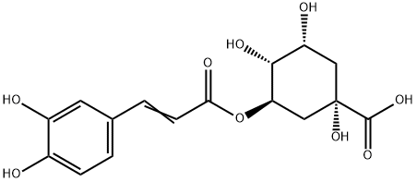 | 酚酸 | C1[C@H]([C@H]([C@@H](C[C@@]1(C(=O)O)O)OC(=O)/C=C/C2=CC(=C(C=C2)O)O)O)O | InChI=1S/C16H18O9/c17-9-3-1-8(5-10(9)18)2-4-13(20)25-12-7-16(24,15(22)23)6-11(19)14(12)21/h1-5,11-12,14,17-19,21,24H,6-7H2,(H,22,23)/b4-2+/t11-,12-,14-,16+/m1/s1 | CWVRJTMFETXNAD-JUHZACGLSA-N | 银杏叶
YXY-075 | 没食子酸 | Gallic acid | 149-91-7 | 170.0215 | C7H6O5 | 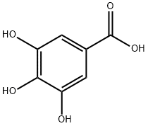 | 酚酸 | C1=C(C=C(C(=C1O)O)O)C(=O)O | InChI=1S/C7H6O5/c8-4-1-3(7(11)12)2-5(9)6(4)10/h1-2,8-10H,(H,11,12) | LNTHITQWFMADLM-UHFFFAOYSA-N | 银杏叶
YXY-076 | 葡萄糖酸 | Gluconic acid | 526-95-4 | 196.0583 | C6H12O7 |  | 酚酸 | C([C@H]([C@H]([C@@H]([C@H](C(=O)O)O)O)O)O)O | InChI=1S/C6H12O7/c7-1-2(8)3(9)4(10)5(11)6(12)13/h2-5,7-11H,1H2,(H,12,13)/t2-,3-,4+,5-/m1/s1 | RGHNJXZEOKUKBD-SQOUGZDYSA-N | 银杏叶
YXY-077 | 豆甾醇 | Stigmasterol | 83-48-7 | 412.3705 | C29H48O |  | 三萜类 | CC[C@H](/C=C/[C@@H](C)[C@H]1CC[C@@H]2[C@@]1(CC[C@H]3[C@H]2CC=C4[C@@]3(CC[C@@H](C4)O)C)C)C(C)C | InChI=1S/C29H48O/c1-7-21(19(2)3)9-8-20(4)25-12-13-26-24-11-10-22-18-23(30)14-16-28(22,5)27(24)15-17-29(25,26)6/h8-10,19-21,23-27,30H,7,11-18H2,1-6H3/b9-8+/t20-,21-,23+,24+,25-,26+,27+,28+,29-/m1/s1 | HCXVJBMSMIARIN-PHZDYDNGSA-N | 银杏叶
YXY-078 | 原儿茶酸 | protocatechuic acid | 99-50-3 | 154.0266 | C7H6O4 |  | 酚酸 | C1=CC(=C(C=C1C(=O)O)O)O | InChI=1S/C7H6O4/c8-5-2-1-4(7(10)11)3-6(5)9/h1-3,8-9H,(H,10,11) | YQUVCSBJEUQKSH-UHFFFAOYSA-N | 银杏叶
YXY-079 | 叶黄素 | Xanthophyll | 127-40-2 | 568.4280 | C40H56O2 |  | 萜类 | CC1=C(C(C[C@@H](C1)O)(C)C)/C=C/C(=C/C=C/C(=C/C=C/C=C(\C)/C=C/C=C(\C)/C=C/[C@H]2C(=C[C@@H](CC2(C)C)O)C)/C)/C | InChI=1S/C40H56O2/c1-29(17-13-19-31(3)21-23-37-33(5)25-35(41)27-39(37,7)8)15-11-12-16-30(2)18-14-20-32(4)22-24-38-34(6)26-36(42)28-40(38,9)10/h11-25,35-37,41-42H,26-28H2,1-10H3/b12-11+,17-13+,18-14+,23-21+,24-22+,29-15+,30-16+,31-19+,32-20+/t35-,36+,37-/m0/s1 | KBPHJBAIARWVSC-RGZFRNHPSA-N | 银杏叶
YXY-080 | 芝麻素 | Sesamin | 607-80-7 | 354.1103 | C20H18O6 |  | 苯丙素类 | C1[C@H]2[C@H](CO[C@@H]2C3=CC4=C(C=C3)OCO4)[C@H](O1)C5=CC6=C(C=C5)OCO6 | InChI=1S/C20H18O6/c1-3-15-17(25-9-23-15)5-11(1)19-13-7-22-20(14(13)8-21-19)12-2-4-16-18(6-12)26-10-24-16/h1-6,13-14,19-20H,7-10H2/t13-,14-,19+,20+/m0/s1 | PEYUIKBAABKQKQ-AFHBHXEDSA-N | 银杏叶
YXY-081 | α-胡萝卜素 | Carotene | 7488-99-5 | 536.4382 | C40H56 |  | 其他 | CC1=C(C(CCC1)(C)C)/C=C/C(=C/C=C/C(=C/C=C/C=C(\C)/C=C/C=C(\C)/C=C/[C@H]2C(=CCCC2(C)C)C)/C)/C | InChI=1S/C40H56/c1-31(19-13-21-33(3)25-27-37-35(5)23-15-29-39(37,7)8)17-11-12-18-32(2)20-14-22-34(4)26-28-38-36(6)24-16-30-40(38,9)10/h11-14,17-23,25-28,37H,15-16,24,29-30H2,1-10H3/b12-11+,19-13+,20-14+,27-25+,28-26+,31-17+,32-18+,33-21+,34-22+/t37-/m0/s1 | ANVAOWXLWRTKGA-NTXLUARGSA-N | 银杏叶
YXY-082 | 松醇 | D-PINITOL | 484-68-4 | 194.0790 | C7H14O6 |  | 萜类 | COC1[C@@H]([C@H](C([C@@H]([C@@H]1O)O)O)O)O | InChI=1S/C7H14O6/c1-13-7-5(11)3(9)2(8)4(10)6(7)12/h2-12H,1H3/t2?,3-,4-,5-,6+,7?/m0/s1 | DSCFFEYYQKSRSV-FEPQRWDDSA-N | 银杏叶
YXY-083 | 菜油甾醇 | CAMPESTEROL 1X1ML CHLOROFORM 100UG/ML | 632-32-6 | 400.3705 | C28H48O |  | 甾体类 | AWYDNKRGSOPYQB-ZHYOCZQLSA-N | InChI=1S/C28H48O/c1-18(2)19(3)7-8-20(4)24-11-12-25-23-10-9-21-17-22(29)13-15-27(21,5)26(23)14-16-28(24,25)6/h18-22,24,26,29H,7-17H2,1-6H3/t19-,20+,21-,22-,24+,26-,27-,28+/m0/s1 | C[C@H](CC[C@H](C)C(C)C)[C@H]1CCC2=C3CC[C@H]4C[C@H](CC[C@@]4([C@H]3CC[C@]12C)C)O | 银杏叶
YXY-084 | 白藜芦醇 | Resveratrol | 501-36-0 | 228.0786 | C14H12O3 | 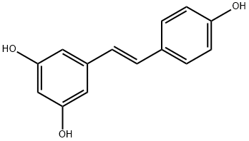 | 其他 | C1=CC(=CC=C1/C=C/C2=CC(=CC(=C2)O)O)O | InChI=1S/C14H12O3/c15-12-5-3-10(4-6-12)1-2-11-7-13(16)9-14(17)8-11/h1-9,15-17H/b2-1+ | LUKBXSAWLPMMSZ-OWOJBTEDSA-N | 银杏叶
YXY-085 | 花青素 | CYANIDIN CHLORIDE | 528-58-5 | 322.0244 | C15H11ClO6 |  | 黄酮 | C1=CC(=C(C=C1C2=[O+]C3=CC(=CC(=C3C=C2O)O)O)O)O.[Cl-] | InChI=1S/C15H10O6.ClH/c16-8-4-11(18)9-6-13(20)15(21-14(9)5-8)7-1-2-10(17)12(19)3-7;/h1-6H,(H4-,16,17,18,19,20);1H | COAWNPJQKJEHPG-UHFFFAOYSA-N | 银杏叶
YXY-086 | 棕榈酸乙酯 | Palmitic acid ethyl ester | 628-97-7 | 284.2715 | C18H36O2 |  | 脂肪酸 | CCCCCCCCCCCCCCCC(=O)OCC | InChI=1S/C18H36O2/c1-3-5-6-7-8-9-10-11-12-13-14-15-16-17-18(19)20-4-2/h3-17H2,1-2H3 | XIRNKXNNONJFQO-UHFFFAOYSA-N | 银杏叶
YXY-087 | β-谷甾醇乙酸酯 | β-Sitosteryl acetate | 915-05-9 | 456.3967 | C31H52O2 |  | 三萜类 | CC[C@H](CC[C@@H](C)[C@H]1CC[C@@H]2[C@@]1(CC[C@H]3[C@H]2CC=C4[C@@]3(CC[C@@H](C4)OC(=O)C)C)C)C(C)C | InChI=1S/C31H52O2/c1-8-23(20(2)3)10-9-21(4)27-13-14-28-26-12-11-24-19-25(33-22(5)32)15-17-30(24,6)29(26)16-18-31(27,28)7/h11,20-21,23,25-29H,8-10,12-19H2,1-7H3/t21-,23-,25+,26+,27-,28+,29+,30+,31-/m1/s1 | PBWOIPCULUXTNY-LBKBYZTLSA-N | 银杏叶
YXY-088 | β-谷甾醇 | Beta-Sitosterol | 83-46-5 | 414.3862 | C29H50O | 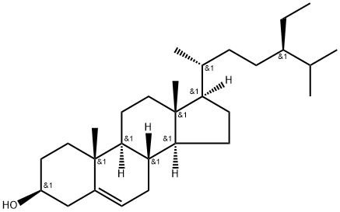 | 三萜类 | CC[C@H](CC[C@@H](C)[C@H]1CC[C@@H]2[C@@]1(CC[C@H]3[C@H]2CC=C4[C@@]3(CC[C@@H](C4)O)C)C)C(C)C | InChI=1S/C29H50O/c1-7-21(19(2)3)9-8-20(4)25-12-13-26-24-11-10-22-18-23(30)14-16-28(22,5)27(24)15-17-29(25,26)6/h10,19-21,23-27,30H,7-9,11-18H2,1-6H3/t20-,21-,23+,24+,25-,26+,27+,28+,29-/m1/s1 | KZJWDPNRJALLNS-VJSFXXLFSA-N | 银杏叶
YXY-089 | 麦角甾醇（麦角固醇） | Ergosterol | 57-87-4 | 396.3392 | C28H44O |  | 甾体类体 | C[C@H](/C=C/[C@H](C)C(C)C)[C@H]1CC[C@@H]2[C@@]1(CC[C@H]3C2=CC=C4[C@@]3(CC[C@@H](C4)O)C)C | InChI=1S/C28H44O/c1-18（2）19（3）7-8-20（4）24-11-12-25-23-10-9-21-17-22（29）13-15-27（21,5）26（23）14-16-28（24,25）6/h7-10,18-20,22,24-26,29H，11-17H2,1-6H3/b8-7+/t19-，20+，22-，24+，25-，26-，27-，28+/m0/s1 | DNVPQKQSNYMLRS-APGDWVJJSA-N | 银杏叶
YXY-090 | 三棕榈酸甘油酯 | TRIPALMITIN | 555-44-2 | 806.7363 | C51H98O6 |  | 脂肪酸 | CCCCCCCCCCCCCCCC(=O)OCC(COC(=O)CCCCCCCCCCCCCCC)OC(=O)CCCCCCCCCCCCCCC | InChI=1S/C51H98O6/c1-4-7-10-13-16-19-22-25-28-31-34-37-40-43-49(52)55-46-48(57-51(54)45-42-39-36-33-30-27-24-21-18-15-12-9-6-3)47-56-50(53)44-41-38-35-32-29-26-23-20-17-14-11-8-5-2/h48H,4-47H2,1-3H3 | PVNIQBQSYATKKL-UHFFFAOYSA-N | 银杏叶
YXY-091 | 胡萝卜苷 | ELEUTHEROSIDE A | 474-58-8 | 576.4390 | C35H60O6 |  | 黄酮 | CC[C@H](CC[C@@H](C)[C@H]1CC[C@@H]2[C@@]1(CC[C@H]3[C@H]2CC=C4[C@@]3(CC[C@@H](C4)O[C@H]5[C@@H]([C@H]([C@@H]([C@H](O5)CO)O)O)O)C)C)C(C)C | InChI=1S/C35H60O6/c1-7-22(20(2)3)9-8-21(4)26-12-13-27-25-11-10-23-18-24(14-16-34(23,5)28(25)15-17-35(26,27)6)40-33-32(39)31(38)30(37)29(19-36)41-33/h10,20-22,24-33,36-39H,7-9,11-19H2,1-6H3/t21-,22-,24+,25+,26-,27+,28+,29-,30-,31+,32-,33-,34+,35-/m1/s1 | NPJICTMALKLTFW-OFUAXYCQSA-N | 银杏叶
YXY-092 | 正十一烷 | n-Hendecane | 1120-21-4 | 156.1878 | C11H24 |  | 其他 | CCCCCCCCCCC | InChI=1S/C11H24/c1-3-5-7-9-11-10-8-6-4-2/h3-11H2,1-2H3 | RSJKGSCJYJTIGS-UHFFFAOYSA-N | 银杏叶
YXY-093 | β-石竹烯 | β-Caryophyllene | 87-44-5 | 204.1878 | C15H24 |  | 萜类 | C/C/1=C\CCC(=C)[C@H]2CC([C@@H]2CC1)(C)C | InChI=1S/C15H24/c1-11-6-5-7-12(2)13-10-15(3,4)14(13)9-8-11/h6,13-14H,2,5,7-10H2,1,3-4H3/b11-6+/t13-,14-/m1/s1 | NPNUFJAVOOONJE-GFUGXAQUSA-N | 银杏叶
YXY-094 | 异植物醇 | Isophytol | 505-32-8 | 296.3079 | C20H40O |  | 二 | CC(C)CCCC(C)CCCC(C)CCCC(C)(C=C)O | InChI=1S/C20H40O/c1-7-20(6,21)16-10-15-19(5)14-9-13-18(4)12-8-11-17(2)3/h7,17-19,21H,1,8-16H2,2-6H3 | KEVYVLWNCKMXJX-UHFFFAOYSA-N | 银杏叶
YXY-095 | 橙花叔醇 | Nerolidol | 7212-44-4 | 222.1984 | C15H26O |  | 萜类 | CC(=CCC/C(=C/CCC(C)(C=C)O)/C)C | InChI=1S/C15H26O/c1-6-15(5,16)12-8-11-14(4)10-7-9-13(2)3/h6,9,11,16H,1,7-8,10,12H2,2-5H3/b14-11+ | FQTLCLSUCSAZDY-SDNWHVSQSA-N | 银杏叶
YXY-096 | 芳樟醇 | Linalool | 78-70-6 | 154.1358 | C10H18O |  | 萜类 | CC(=CCCC(C)(C=C)O)C | InChI=1S/C10H18O/c1-5-10(4,11)8-6-7-9(2)3/h5,7,11H,1,6,8H2,2-4H3 | CDOSHBSSFJOMGT-UHFFFAOYSA-N | 银杏叶
YXY-097 | 松油醇 | Terpineol | 8000-41-7 | 154.1358 | C10H18O |  | 萜类 | CC1=CCC(CC1)C(C)(C)O | InChI=1S/C10H18O/c1-8-4-6-9(7-5-8)10(2,3)11/h4,9,11H,5-7H2,1-3H3 | WUOACPNHFRMFPN-UHFFFAOYSA-N | 银杏叶
YXY-098 | 菜油甾醇 | CAMPESTEROL | 474-62-4 | 400.3705 | C28H48O |  | 甾体类体 | C[C@H](CC[C@@H](C)C(C)C)[C@H]1CC[C@@H]2[C@@]1(CC[C@H]3[C@H]2CC=C4[C@@]3(CC[C@@H](C4)O)C)C | InChI=1S/C28H48O/c1-18(2)19(3)7-8-20(4)24-11-12-25-23-10-9-21-17-22(29)13-15-27(21,5)26(23)14-16-28(24,25)6/h9,18-20,22-26,29H,7-8,10-17H2,1-6H3/t19-,20-,22+,23+,24-,25+,26+,27+,28-/m1/s1 | SGNBVLSWZMBQTH-PODYLUTMSA-N | 银杏叶
YXY-099 | 银杏酸 | Ginkgolic acid | 22910-60-7 | 346.2508 | C22H34O3 |  | 酚酸 | CCCCCC/C=C\CCCCCCCC1=C(C(=CC=C1)O)C(=O)O | InChI=1S/C22H34O3/c1-2-3-4-5-6-7-8-9-10-11-12-13-14-16-19-17-15-18-20(23)21(19)22(24)25/h7-8,15,17-18,23H,2-6,9-14,16H2,1H3,(H,24,25)/b8-7- | YXHVCZZLWZYHSA-FPLPWBNLSA-N | 银杏叶
YXY-100 | 亚油酸 | Linoleic acid | 60-33-3 | 280.2402 | C18H32O2 |  | 脂肪酸 | CCCCC/C=C\C/C=C\CCCCCCCC(=O)O | InChI=1S/C18H32O2/c1-2-3-4-5-6-7-8-9-10-11-12-13-14-15-16-17-18(19)20/h6-7,9-10H,2-5,8,11-17H2,1H3,(H,19,20)/b7-6-,10-9- | OYHQOLUKZRVURQ-HZJYTTRNSA-N | 银杏叶
YXY-101 | 姜酮 | Vanillylacetone | 122-48-5 | 194.0943 | C11H14O3 |  | 酚酸 | CC(=O)CCC1=CC(=C(C=C1)O)OC | InChI=1S/C11H14O3/c1-8(12)3-4-9-5-6-10(13)11(7-9)14-2/h5-7,13H,3-4H2,1-2H3 | OJYLAHXKWMRDGS-UHFFFAOYSA-N | 银杏叶
YXY-102 | 土木香内酯 | Alantolactone | 546-43-0 | 232.1463 | C15H20O2 | 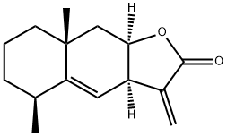 | 苯丙素类 | C[C@H]1CCC[C@]2(C1=C[C@H]3[C@@H](C2)OC(=O)C3=C)C | InChI=1S/C15H20O2/c1-9-5-4-6-15(3)8-13-11(7-12(9)15)10(2)14(16)17-13/h7,9,11,13H,2,4-6,8H2,1,3H3/t9-,11+,13+,15+/m0/s1 | PXOYOCNNSUAQNS-AGNJHWRGSA-N | 银杏叶
YXY-103 | 维生素K2 | Vitamin K2 | 11032-49-8 | 444.3028 | C31H40O2 |  | 萜类 | CC1=C(C(=O)C2=CC=CC=C2C1=O)C/C=C(\C)/CC/C=C(\C)/CC/C=C(\C)/CCC=C(C)C | InChI=1S/C31H40O2/c1-22(2)12-9-13-23(3)14-10-15-24(4)16-11-17-25(5)20-21-27-26(6)30(32)28-18-7-8-19-29(28)31(27)33/h7-8,12,14,16,18-20H,9-11,13,15,17,21H2,1-6H3/b23-14+,24-16+,25-20+ | DKHGMERMDICWDU-GHDNBGIDSA-N | 银杏叶
YXY-104 | 熊果苷 | Arbutin | 497-76-7 | 272.0896 | C12H16O7 |  | 糖苷 | C1=CC(=CC=C1O)O[C@H]2[C@@H]([C@H]([C@@H]([C@H](O2)CO)O)O)O | InChI=1S/C12H16O7/c13-5-8-9(15)10(16)11(17)12(19-8)18-7-3-1-6(14)2-4-7/h1-4,8-17H,5H2/t8-,9-,10+,11-,12-/m1/s1 | BJRNKVDFDLYUGJ-RMPHRYRLSA-N | 银杏叶
YXY-105 | 原百部碱 | Protostemonine | 27495-40-5 | 417.2151 | C23H31NO6 |  | 生物碱 | C[C@H]1C[C@H](OC1=O)[C@@H]2CC[C@@H]3N2CCC[C@@H]4[C@@H]3[C@@H](/C(=C/5\C(=C(C(=O)O5)C)OC)/O4)C | InChI=1S/C23H31NO6/c1-11-10-17(29-22(11)25)14-7-8-15-18-12(2)20(28-16(18)6-5-9-24(14)15)21-19(27-4)13(3)23(26)30-21/h11-12,14-18H,5-10H2,1-4H3/b21-20-/t11-,12-,14-,15-,16+,17-,18+/m0/s1 | JDGNFRYDHRYXNL-ROHJGGRPSA-N | 银杏叶
YXY-106 | 白花前胡素E | Praeruptorin E | 78478-28-1 | 428.1835 | C24H28O7 | 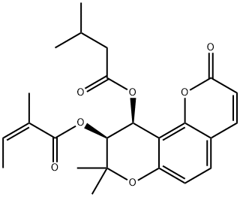 | 苯丙素类 | C/C=C(/C)\C(=O)O[C@H]1[C@H](C2=C(C=CC3=C2OC(=O)C=C3)OC1(C)C)OC(=O)CC(C)C | InChI=1S/C24H28O7/c1-7-14(4)23(27)30-22-21(29-18(26)12-13(2)3)19-16(31-24(22,5)6)10-8-15-9-11-17(25)28-20(15)19/h7-11,13,21-22H,12H2,1-6H3/b14-7-/t21-,22-/m0/s1 | UFUVJROSOIXJGR-WLISBCLRSA-N | 银杏叶
YXY-107 | 甲基补骨脂黄酮A | Bavachinin | 19879-30-2 | 338.1518 | C21H22O4 | 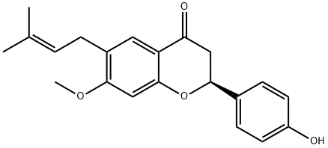 | 黄酮 | CC(=CCC1=CC2=C(C=C1OC)O[C@@H](CC2=O)C3=CC=C(C=C3)O)C | InChI=1S/C21H22O4/c1-13(2)4-5-15-10-17-18(23)11-20(14-6-8-16(22)9-7-14)25-21(17)12-19(15)24-3/h4,6-10,12,20,22H,5,11H2,1-3H3/t20-/m0/s1 | VOCGSQHKPZSIKB-FQEVSTJZSA-N | 银杏叶
YXY-108 | 异乌药内酯 | Linderalactone | 728-61-0 | 244.1099 | C15H16O3 | 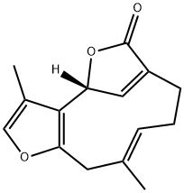 | 萜类 | C/C/1=C\CCC2=C[C@H](C3=C(C1)OC=C3C)OC2=O | InChI=1S/C15H16O3/c1-9-4-3-5-11-7-13(18-15(11)16)14-10(2)8-17-12(14)6-9/h4,7-8,13H,3,5-6H2,1-2H3/b9-4+/t13-/m1/s1 | LWCKQMHMTSRRAA-QGQQYVBWSA-N | 银杏叶
YXY-109 | 20(s)-原人参三醇 | PROTOPANAXTRIOL | 34080-08-5 | 476.3866 | C30H52O4 |  | 三萜类 | CC(=CCC[C@@](C)([C@H]1CC[C@@]2([C@@H]1[C@@H](C[C@H]3[C@]2(C[C@@H]([C@@H]4[C@@]3(CC[C@@H](C4(C)C)O)C)O)C)O)C)O)C | InChI=1S/C30H52O4/c1-18(2)10-9-13-30(8,34)19-11-15-28(6)24(19)20(31)16-22-27(5)14-12-23(33)26(3,4)25(27)21(32)17-29(22,28)7/h10,19-25,31-34H,9,11-17H2,1-8H3/t19-,20+,21-,22+,23-,24-,25-,27+,28+,29+,30-/m0/s1 | SHCBCKBYTHZQGZ-CJPZEJHVSA-N | 银杏叶
YXY-110 | 原人参三醇 | 20(R)-Protopanaxatriol | 1453-93-6 | 476.3866 | C30H52O4 |  | 三萜类 | CC(=CCC[C@](C)([C@H]1CC[C@@]2([C@@H]1[C@@H](C[C@H]3[C@]2(C[C@@H]([C@@H]4[C@@]3(CC[C@@H](C4(C)C)O)C)O)C)O)C)O)C | InChI=1S/C30H52O4/c1-18(2)10-9-13-30(8,34)19-11-15-28(6)24(19)20(31)16-22-27(5)14-12-23(33)26(3,4)25(27)21(32)17-29(22,28)7/h10,19-25,31-34H,9,11-17H2,1-8H3/t19-,20+,21-,22+,23-,24-,25-,27+,28+,29+,30+/m0/s1 | SHCBCKBYTHZQGZ-DLHMIPLTSA-N | 银杏叶
YXY-111 | 原人参二醇 | (20S)-Protopanaxadiol | 30636-90-9 | 460.3916 | C30H52O3 |  | 三萜类 | CC(=CCC[C@@](C)([C@H]1CC[C@@]2([C@@H]1[C@@H](C[C@H]3[C@]2(CC[C@@H]4[C@@]3(CC[C@@H](C4(C)C)O)C)C)O)C)O)C | InChI=1S/C30H52O3/c1-19(2)10-9-14-30(8,33)20-11-16-29(7)25(20)21(31)18-23-27(5)15-13-24(32)26(3,4)22(27)12-17-28(23,29)6/h10,20-25,31-33H,9,11-18H2,1-8H3/t20-,21+,22-,23+,24-,25-,27-,28+,29+,30-/m0/s1 | PYXFVCFISTUSOO-HKUCOEKDSA-N | 银杏叶
YXY-112 | 亚麻酸乙酯 | Ethyl alpha-linolenate | 1191-41-9 | 306.2559 | C20H34O2 |  | 脂肪酸 | CC/C=C\C/C=C\C/C=C\CCCCCCCC(=O)OCC | InChI=1S/C20H34O2/c1-3-5-6-7-8-9-10-11-12-13-14-15-16-17-18-19-20(21)22-4-2/h5-6,8-9,11-12H,3-4,7,10,13-19H2,1-2H3/b6-5-,9-8-,12-11- | JYYFMIOPGOFNPK-AGRJPVHOSA-N | 银杏叶
YXY-113 | 槐黄醇 | Sophoflavescenol | 216450-65-6 | 368.1260 | C21H20O6 | 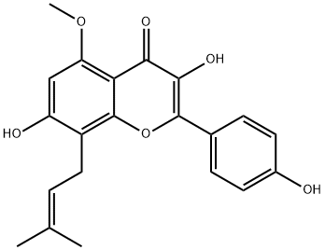 | 黄酮 | CC(C)([C@H]1CC2=C(O1)C=C3C(=C2)C=CC(=O)O3)O[C@H]4[C@@H]([C@H]([C@@H]([C@H](O4)CO)O)O)O | InChI=1S/C20H24O9/c1-20(2,29-19-18(25)17(24)16(23)13(8-21)28-19)14-6-10-5-9-3-4-15(22)27-11(9)7-12(10)26-14/h3-5,7,13-14,16-19,21,23-25H,6,8H2,1-2H3/t13-,14-,16-,17+,18-,19+/m1/s1 | HXCGUCZXPFBNRD-DNLMCPORSA-N | 银杏叶
YXY-114 | 紫花前胡苷 | Nodakenin | 495-31-8 | 408.1420 | C20H24O9 | 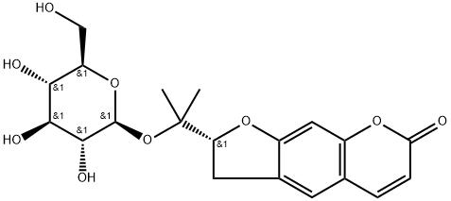 | 苯丙素类 | CC(=CCC1=C2C(=C(C=C1O)OC)C(=O)C(=C(O2)C3=CC=C(C=C3)O)O)C | InChI=1S/C21H20O6/c1-11(2)4-9-14-15(23)10-16(26-3)17-18(24)19(25)20(27-21(14)17)12-5-7-13(22)8-6-12/h4-8,10,22-23,25H,9H2,1-3H3 | VMLJAWUWVVHRNG-UHFFFAOYSA-N | 银杏叶
YXY-115 | 猪去氧胆酸 | Hyodeoxycholic | 83-49-8 | 392.2927 | C24H40O4 |  | 三萜类 | C[C@@]([C@]1([H])[C@@H](O)C2)(CC[C@@H](O)C1)[C@]3([H])[C@]2([H])[C@@](CC[C@]4([H])[C@H](C)CCC(O)=O)([H])[C@]4(C)CC3 | InChI=1S/C24H40O4/c1-14(4-7-22(27)28)17-5-6-18-16-13-21(26)20-12-15(25)8-10-24(20,3)19(16)9-11-23(17,18)2/h14-21,25-26H,4-13H2,1-3H3,(H,27,28)/t14-,15-,16+,17-,18+,19+,20+,21+,23-,24-/m1/s1 | DGABKXLVXPYZII-SIBKNCMHSA-N | 银杏叶
YXY-116 | 湖贝甲素 | Hupehenine | 98243-57-3 | 415.3450 | C27H45NO2 |  | 甾体类体 | C[C@@]12[C@@]3([H])C[C@@]4([H])[C@]5([H])CN(C[C@@H](C)CC6)[C@]6([H])[C@H](C)[C@]5([H])CC[C@@]4([H])[C@]3([H])C[C@@H](O)[C@@]1([H])C[C@@H](O)CC2 | InChI=1S/C27H45NO2/c1-15-4-7-25-16(2)18-5-6-19-20(22(18)14-28(25)13-15)11-23-21(19)12-26(30)24-10-17(29)8-9-27(23,24)3/h15-26,29-30H,4-14H2,1-3H3/t15-,16+,17-,18-,19+,20+,21-,22+,23-,24+,25-,26+,27+/m0/s1 | NEMWYOKGHGSVSC-MSSYMPDSSA-N | 银杏叶
YXY-117 | 麝香酮 | Muscone | 541-91-3 | 238.2297 | C16H30O | 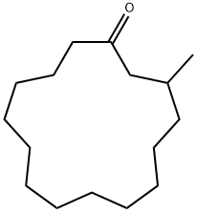 | 其他 | CC1CCCCCCCCCCCCC(=O)C1 | InChI=1S/C16H30O/c1-15-12-10-8-6-4-2-3-5-7-9-11-13-16(17)14-15/h15H,2-14H2,1H3 | InChI=1S/C16H30O/c1-15-12-10-8-6-4-2-3-5-7-9-11-13-16(17)14-15/h15H,2-14H2,1H3 | 银杏叶
YXY-118 | bilobol（银杏酚） | bilobol | 22910-86-7 | 318.2559 | C21H34O2 |  | 萜类 | CCCCCC/C=C\CCCCCCCC1=CC(=CC(=C1)O)O | InChI=1S/C21H34O2/c1-2-3-4-5-6-7-8-9-10-11-12-13-14-15-19-16-20(22)18-21(23)17-19/h7-8,16-18,22-23H,2-6,9-15H2,1H3/b8-7- | TUGAUFMQYWZJAB-FPLPWBNLSA-N | 银杏叶
YXY-119 | 银杏内酯K | Ginkgolide K | 153355-70-5 | 406.1264 | C20H22O9 | 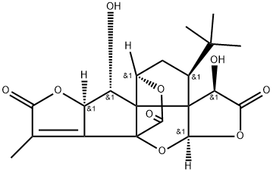 | 萜类 | CC1=C2[C@H]([C@@H]([C@]34[C@]25C(=O)O[C@@H]3C[C@H]([C@@]46[C@H](C(=O)O[C@H]6O5)O)C(C)(C)C)O)OC1=O | InChI=1S/C20H22O9/c1-6-9-10(27-13(6)23)11(21)19-8-5-7(17(2,3)4)18(19)12(22)14(24)28-16(18)29-20(9,19)15(25)26-8/h7-8,10-12,16,21-22H,5H2,1-4H3/t7-,8+,10+,11-,12-,16-,18-,19+,20+/m0/s1 | CC1=C2[C@H]([C@@H]([C@]34[C@]25C(=O)O[C@@H]3C[C@H]([C@@]46[C@H](C(=O)O[C@H]6O5)O)C(C)(C)C)O)OC1=O | 银杏叶
YXY-120 | 对香豆酸 | p-Coumaric acid | 501-98-4 | 164.0473 | C9H8O3 |  | 苯丙素类 | C1=CC(=CC=C1/C=C/C(=O)O)O | InChI=1S/C9H8O3/c10-8-4-1-7(2-5-8)3-6-9(11)12/h1-6,10H,(H,11,12)/b6-3+ | NGSWKAQJJWESNS-ZZXKWVIFSA-N | 银杏叶
YXY-121 | 红杉双黄酮 | 5,7-dihydroxy-8-[2-hydroxy-5-(5-hydroxy-7-methoxy-4-oxo-4H-1-benzopyran-2-yl)phenyl]-2-(4-hydroxyphenyl)-4-benzopyrone | 21763-71-3 | 552.1056 | C31H20O10 | 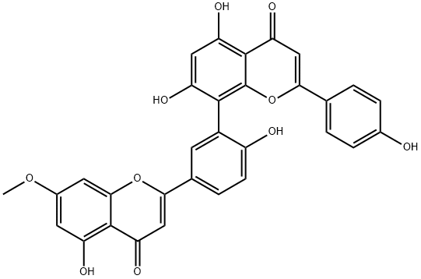 | 黄酮 | COC1=CC(=C2C(=C1)OC(=CC2=O)C3=CC(=C(C=C3)O)C4=C(C=C(C5=C4OC(=CC5=O)C6=CC=C(C=C6)O)O)O)O | InChI=1S/C31H20O10/c1-39-17-9-20(34)29-23(37)12-26(40-27(29)10-17)15-4-7-19(33)18(8-15)28-21(35)11-22(36)30-24(38)13-25(41-31(28)30)14-2-5-16(32)6-3-14/h2-13,32-36H,1H3 | TYUMAYSMJLPFAN-UHFFFAOYSA-N | 银杏叶
YXY-122 | 原花青素 | Procyanidin | 4852-22-6 | 549.1373 | C30H26O13 | 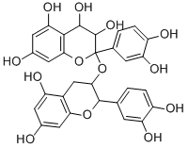 | 黄酮 | C1C(C(OC2=CC(=CC(=C21)O)O)C3=CC(=C(C=C3)O)O)OC4(C(C(C5=C(C=C(C=C5O4)O)O)O)O)C6=CC(=C(C=C6)O)O | InChI=1S/C30H26O13/c31-14-7-19(35)16-11-25(28(41-23(16)9-14)12-1-3-17(33)20(36)5-12)43-30(13-2-4-18(34)21(37)6-13)29(40)27(39)26-22(38)8-15(32)10-24(26)42-30/h1-10,25,27-29,31-40H,11H2 | HGVVOUNEGQIPMS-UHFFFAOYSA-N | 银杏叶
YXY-123 | 腰果酚（3-十五烷基苯酚） | 3-Pentadecylphenol | 501-24-6 | 304.2766 | C21H36O |  | 酚酸 | CCCCCCCCCCCCCCCC1=CC(=CC=C1)O | InChI=1S/C21H36O/c1-2-3-4-5-6-7-8-9-10-11-12-13-14-16-20-17-15-18-21(22)19-20/h15,17-19,22H,2-14,16H2,1H3 | PTFIPECGHSYQNR-UHFFFAOYSA-N | 银杏叶
YXY-124 | 犬尿喹啉酸 | KYNURENIC ACID | 492-27-3 | 189.0426 | C10H7NO3 |  | 酚酸 | O=C(C1=NC2=CC=CC=C2C(O)=C1)O | InChI=1S/C10H7NO3/c12-9-5-8(10(13)14)11-7-4-2-1-3-6(7)9/h1-5H,(H,11,12)(H,13,14) | HCZHHEIFKROPDY-UHFFFAOYSA-N | 银杏叶
YXY-125 | 银杏内酯L | Ginkgolide L | / | 390.1315 | C20H22O8 |  | 萜类 |  |  |  | 银杏叶
YXY-126 | 银杏内酯N | Ginkgolide N | / | 422.1213 | C20H22O10 |  | 萜类 |  |  |  | 银杏叶
YXY-127 | 银杏内酯P | Ginkgolide P | / | 424.1369 | C20H24O10 |  | 萜类 |  |  |  | 银杏叶
YXY-128 | 银杏内酯Q | Ginkgolide Q | / | 440.1319 | C20H24O11 |  | 萜类 |  |  |  | 银杏叶
YXY-129 | ６-羟基犬尿喹啉酸 | 6-Hydroxykynurenic acid | 3778-29-8 | 205.0375 | C10H7NO4 |  | 酚酸 | O=C(C1=NC2=CC=C(O)C=C2C(O)=C1)O | InChI=1S/C10H7NO4/c12-5-1-2-7-6(3-5)9(13)4-8(11-7)10(14)15/h1-4,12H,(H,11,13)(H,14,15) | CQUUHDQRJWXDPY-UHFFFAOYSA-N | 银杏叶
YXY-130 | 葡萄糖二酸 | D-Glucaric acid | 87-73-0 | 210.0376 | C6H10O8 |  | 脂肪酸 | [C@H]([C@@H]([C@@H](C(=O)O)O)O)([C@H](C(=O)O)O)O | InChI=1S/C6H10O8/c7-1(3(9)5(11)12)2(8)4(10)6(13)14/h1-4,7-10H,(H,11,12)(H,13,14)/t1-,2-,3-,4+/m0/s1 | DSLZVSRJTYRBFB-LLEIAEIESA-N | 银杏叶
YXY-131 | 百里香酚 | Thymol | 89-83-8 | 150.1045 | C10H14O | 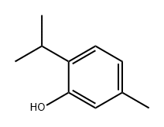 | 酚酸 | CC1=CC(=C(C=C1)C(C)C)O | InChI=1S/C10H14O/c1-7(2)9-5-4-8(3)6-10(9)11/h4-7,11H,1-3H3 | MGSRCZKZVOBKFT-UHFFFAOYSA-N | 银杏叶
YXY-132 | 氧化芳樟醇 | Epoxydihydrolinalool | 1365-19-1 | 170.1307 | C10H18O2 |  | 萜类 | CC1(C)C(O1)CCC(C)(O)C=C | InChI=1S/C10H18O2/c1-5-10(4,11)7-6-8-9(2,3)12-8/h5,8,11H,1,6-7H2,2-4H3 | SATQWIIUJKWZNO-UHFFFAOYSA-N | 银杏叶
YXY-133 | β-紫罗兰酮 | Irisone | 14901-07-6 | 192.1514 | C13H20O |  | 萜类 | CC1=C(C(CCC1)(C)C)C=CC(=O)C | InChI=1S/C13H20O/c1-10-6-5-9-13(3,4)12(10)8-7-11(2)14/h7-8H,5-6,9H2,1-4H3 | PSQYTAPXSHCGMF-UHFFFAOYSA-N | 银杏叶
YXY-134 | β-紫罗酮 | β-Lonone | 79-77-6 | 192.1514 | C10H18O4 |  | 萜类 | CC1=C(C(CCC1)(C)C)/C=C/C(=O)C | InChI=1S/C13H20O/c1-10-6-5-9-13(3,4)12(10)8-7-11(2)14/h7-8H,5-6,9H2,1-4H3/b8-7+ | PSQYTAPXSHCGMF-BQYQJAHWSA-N | 银杏叶
YXY-135 | 榄香醇 | Elemol/(1S,2S,4R)-(-)-alpha,alpha-dimethyl-1-vinyl-o-menth-8-ene-4-methanol | 639-99-6 | 222.1984 | C15H26O |  | 萜类 | CC(=C)[C@@H]1C[C@@H](CC[C@@]1(C)C=C)C(C)(C)O | InChI=1S/C15H26O/c1-7-15(6)9-8-12(14(4,5)16)10-13(15)11(2)3/h7,12-13,16H,1-2,8-10H2,3-6H3/t12-,13+,15-/m1/s1 | GFJIQNADMLPFOW-VNHYZAJKSA-N | 银杏叶
YXY-136 | 桉叶油醇 | 1,8-Cineole | 470-82-6 | 154.1358 | C10H18O |  | 萜类 | CC1(C2CCC(O1)(CC2)C)C | InChI=1S/C10H18O/c1-9(2)8-4-6-10(3,11-9)7-5-8/h8H,4-7H2,1-3H3 | WEEGYLXZBRQIMU-UHFFFAOYSA-N | 银杏叶
YXY-137 | 表-桉叶油醇 | epi-Eudesmol | 15051-81-7 | 222.1984 | C15H26O |  | 萜类 | CC(O)([C@H]1CC2=C(C)CCC[C@@]2(C)CC1)C | InChI=1S/C15H26O/c1-11-6-5-8-15(4)9-7-12(10-13(11)15)14(2,3)16/h12,16H,5-10H2,1-4H3/t12-,15+/m1/s1 | WMOPMQRJLLIEJV-DOMZBBRYSA-N | 银杏叶
YXY-138 | 玉米素 | Zeatin | 13114-27-7 | 219.1120 | C10H13N5O |  | 其他 | CC(=CCNC1=NC=NC2=C1NC=N2)CO | InChI=1S/C10H13N5O/c1-7(4-16)2-3-11-9-8-10(13-5-12-8)15-6-14-9/h2,5-6,16H,3-4H2,1H3,(H2,11,12,13,14,15) | UZKQTCBAMSWPJD-UHFFFAOYSA-N | 银杏叶
YXY-139 | 香蒲新甙（异鼠李素-3-O-(2”,6”-a-L-二鼠李糖)-β-D-葡萄糖苷） | Typhaneoside | 104472-68-6 | 770.2269 | C34H42O20 |  | 黄酮 | O=C1C(O[C@H](O[C@H](CO[C@H](O[C@@H](C)[C@@H]2O)[C@H](O[C@@](O[C@@H](C)[C@@H]3O)([H])[C@H](O)[C@@H]3O)[C@@H]2O)[C@H]4O)[C@H](O)[C@H]4O)=C(C5=CC=C(O)C(OC)=C5)OC6=C1C(O)=CC(O)=C6 | InChI=1S/C34H42O20/c1-10-20(38)24(42)27(45)32(49-10)54-31-26(44)21(39)11(2)50-34(31)48-9-18-22(40)25(43)28(46)33(52-18)53-30-23(41)19-15(37)7-13(35)8-17(19)51-29(30)12-4-5-14(36)16(6-12)47-3/h4-8,10-11,18,20-22,24-28,31-40,42-46H,9H2,1-3H3/t10-,11-,18+,20-,21-,22+,24+,25-,26+,27+,28+,31+,32-,33-,34+/m0/s1 | FRBRLXJEQSHWAA-JUZSADEQSA-N | 银杏叶
YXY-140 | 槲皮素 3-O-2''-(6''-p-反式-香豆酰基)-葡萄糖鼠李糖苷 | Quercetin 3-O-β-D-(6''-p-coumaroyl)glucopyranosyl(1-2)-α-L-rhamnopyranoside | 143061-65-8 | 756.1902 | C36H36O18 |  | 黄酮 | O=C1C(O[C@H](O[C@@H](C)[C@H](O)[C@H]2O)[C@@H]2O[C@]([C@@H]([C@@H](O)[C@@H]3O)O)([H])O[C@@H]3COC(/C=C/C4=CC=C(O)C=C4)=O)=C(C5=CC(O)=C(O)C=C5)OC6=CC(O)=CC(O)=C16 | InChI=1S/C36H36O18/c1-14-26(43)30(47)34(54-35-31(48)29(46)27(44)23(52-35)13-49-24(42)9-4-15-2-6-17(37)7-3-15)36(50-14)53-33-28(45)25-21(41)11-18(38)12-22(25)51-32(33)16-5-8-19(39)20(40)10-16/h2-12,14,23,26-27,29-31,34-41,43-44,46-48H,13H2,1H3/b9-4+/t14-,23+,26-,27+,29-,30+,31+,34+,35-,36-/m0/s1 | LSMKTLJKBSXMMR-WLKGHKDFSA-N | 银杏叶
YXY-141 | 山奈酚 3-O-2''-(6''-P-顺式-香豆酰基)-葡萄糖鼠李糖苷 | kaempferol 3-O-alpha-L-[6"'-p-cis-coumaroyl-β-D-glucopyranosyl-(1→2)-rhamnopyranoside] | 891194-27-7 | 740.1052 | C36H36O17 |  | 黄酮 | O=C1C(O[C@H](O[C@@H](C)[C@H](O)[C@H]2O)[C@@H]2O[C@]([C@@H]([C@@H](O)[C@@H]3O)O)([H])O[C@@H]3COC(/C=C\C4=CC=C(O)C=C4)=O)=C(C5=CC=C(O)C=C5)OC6=CC(O)=CC(O)=C16 | InChI=1S/C36H36O17/c1-15-26(42)30(46)34(53-35-31(47)29(45)27(43)23(51-35)14-48-24(41)11-4-16-2-7-18(37)8-3-16)36(49-15)52-33-28(44)25-21(40)12-20(39)13-22(25)50-32(33)17-5-9-19(38)10-6-17/h2-13,15,23,26-27,29-31,34-40,42-43,45-47H,14H2,1H3/b11-4-/t15-,23+,26-,27+,29-,30+,31+,34+,35-,36-/m0/s1 | KAJMZANRKFVVKV-XIHZEEMJSA-N | 银杏叶
YXY-142 | 松脂醇二葡萄糖苷 | PINORESINOL DIGLUCOSIDE(P)(PLEASE CALL) | 63902-38-5 | 682.2473 | C32H42O16 |  | 苯丙素类 | COC(C=C1[C@@H]2[C@](CO[C@@H]3C4=CC(OC)=C(O[C@@H]([C@@H]([C@@H](O)[C@@H]5O)O)O[C@@H]5CO)C=C4)([H])[C@]3([H])CO2)=C(C=C1)O[C@@H]([C@@H]([C@@H](O)[C@@H]6O)O)O[C@@H]6CO | InChI=1S/C32H42O16/c1-41-19-7-13(3-5-17(19)45-31-27(39)25(37)23(35)21(9-33)47-31)29-15-11-44-30(16(15)12-43-29)14-4-6-18(20(8-14)42-2)46-32-28(40)26(38)24(36)22(10-34)48-32/h3-8,15-16,21-40H,9-12H2,1-2H3/t15-,16-,21+,22+,23+,24+,25-,26-,27+,28+,29+,30+,31+,32+/m0/s1 | ZJSJQWDXAYNLNS-FUPWJLLWSA-N | 银杏叶
YXY-143 | 异丙基甲苯 | p-Cymene | 99-87-6 | 134.1096 | C10H14 |  | 其他 | CC(C1=CC=C(C)C=C1)C | InChI=1S/C10H14/c1-8(2)10-6-4-9(3)5-7-10/h4-8H,1-3H3 | HFPZCAJZSCWRBC-UHFFFAOYSA-N | 银杏叶
YXY-144 | 2-异丙基苯酚 | 2-Isopropylphenol | 88-69-7 | 136.0888 | C9H12O |  | 酚酸 | OC1=CC=CC=C1C(C)C | InChI=1S/C9H12O/c1-7(2)8-5-3-4-6-9(8)10/h3-7,10H,1-2H3 | CRBJBYGJVIBWIY-UHFFFAOYSA-N | 银杏叶
YXY-145 | 红杉醇 | 5-O-Methyl-myo-inositol | 523-92-2 | 194.0790 | C7H14O6 |  | 其他 | O[C@H]1[C@H]([C@H]([C@@H]([C@H]([C@@H]1O)OC)O)O)O | InChI=1S/C7H14O6/c1-13-7-5(11)3(9)2(8)4(10)6(7)12/h2-12H,1H3/t2-,3+,4-,5-,6+,7+ | DSCFFEYYQKSRSV-GWJPIIGYSA-N | 银杏叶

